250-5
Script |  |  | 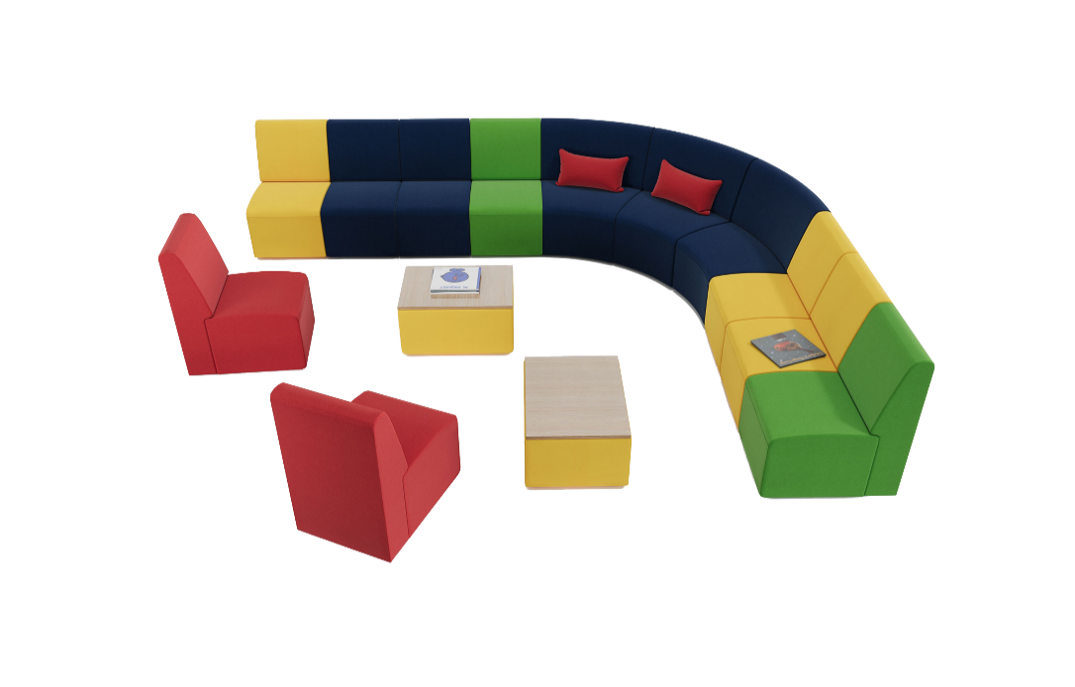
Typical 250-5
Footprint: 12.5' x 10'

Script Jr. shown in Spradling Silvertex Limoncello, Spradling Silvertex Marine Blue, Spradling Silvertex Crème de Menthe, and Spradling Silvertex Imperial with Beigewood table tops.

Model # | Qty | Description
250JN | 9 | Script Jr Armless Chair 18"Wx24"Dx29-1/2"H
250JN-30CC | 3 | Script Jr 30° Curved Corner Seat 30-1/2"Wx25-1/2"Dx29-1/2"H
250JT | 2 | Script Jr Table 18"Wx24"Dx12-3/4"H
01-1407TPR | 2 | Cush Rectangle Throw Pillow 14"Wx4"Dx7"H

