550-25
Kickstart
Typical 550-25
Prices based on March 27, 2023 Price List. Finish/Fabrics: Natta Tables shown in Black with Beigewood Leg Finish. Natta Stools shown in Maharam Luce Imbue (Gr 8) with Beigewood Finish. KickStart Lounge shown in Maharam Luce Imbue (Gr 8) and Maharam Medium Raven on High Surround (Gr 5). Jot Tables shown in Beigewood (TFL)/ Sugar Maple (Veneer). Square One shown in Aspen White with Ash Acoustic Inserts and Marker Board. Planter boxes shown in Beigewood. Lateral Files shown in Black. |  |  | 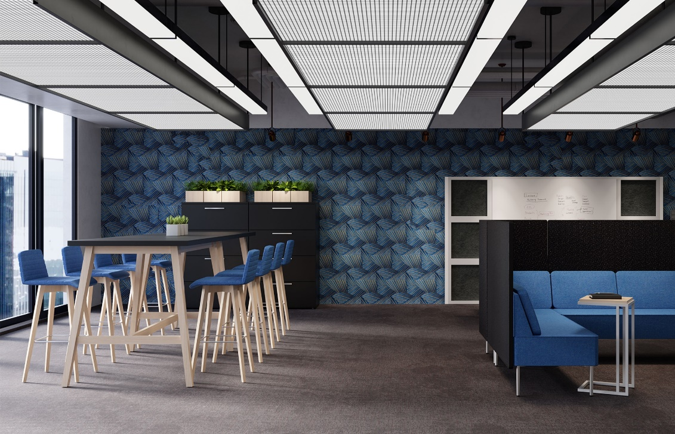

Model # | Qty | Description |  | Base List Price | Base Ext List Price | List Price as Shown | Total as Shown
Left Side
NAS-1CS | 8 | Natta Swivel Stools, Gr 8 |  | $1,476 | $11,808 | $2,257 | $18,056
NAT-2 | 2 | Natta Meeting Table, 42"H |  | $2,921 | $5,842 | $2,921 | $5,842
01-1909PL | 6 | Planter Box |  | $550 | $3,300 | $550 | $3,300
PBI | 6 | Planter Box Insert |  | $50 | $300 | $50 | $300
66-2436L4 | 2 | Canvas Lateral Files, TFL |  | $3,111 | $6,222 | $3,111 | $6,222
 |  |  | TOTAL |  | $27,472 |  | $33,720
Canvas Lateral Files also available in HPL, see Casegoods+Reception Price List for pricing

Right Side
5503NH | 1 | Modular Sofa, High Surround, Contrasting Fabrics, Gr 8/Gr 5 |  | $4,698 | $4,698 | $7,481 | $7,481
5502NH | 1 | Modular Settee, High Surround, Contrasting Fabrics, Gr 8/Gr 5 |  | $3,698 | $3,698 | $5,676 | $5,676
550-90CH | 1 | Modular Corner Unit, High Surround, Contrasting Fabrics, Gr 8/Gr 5 |  | $3,407 | $3,407 | $5,063 | $5,063
17-2424BL | 15 | Square One Single Blocks |  | $284 | $4,260 | $284 | $4,260
17-17573EC | 2 | Square One End Caps |  | $369 | $738 | $369 | $738
17-4670DEB | 1 | Square One Dry Erase Board |  | $1,690 | $1,690 | $1,690 | $1,690
AP-2020AP | 6 | Square One Acoustic Panels |  | $251 | $1,506 | $251 | $1,506
410-1412AT | 1 | Jot Auxiliary Table, TFL |  | $1,255 | $1,255 | $1,255 | $1,255
 |  |  | TFL TOTAL |  | $21,252 |  | $27,669

Jot Auxiliary Table also available with Veneer or Solid Surface Top, see Seating+Occ Tables for pricing
Beigewood only available on TFL Top

