500-24
Kickstart
Typical 500-24
Prices based on March 27, 2023 Price List. Finishes Shown: KickStart shown in Momentum Cover Cloth Fuschia (Gr 3) with Cover Cloth Jet (Gr 3) and Cover Cloth Vesper (Gr 3) on Pouffes. Square One shown in Aspen White with Black Acoustic Inserts and Black Planter Boxes. Canvas Work Table shown in Beigewood with Designer White. Planter Boxes shown on Square One Huddle Area. |  |  | 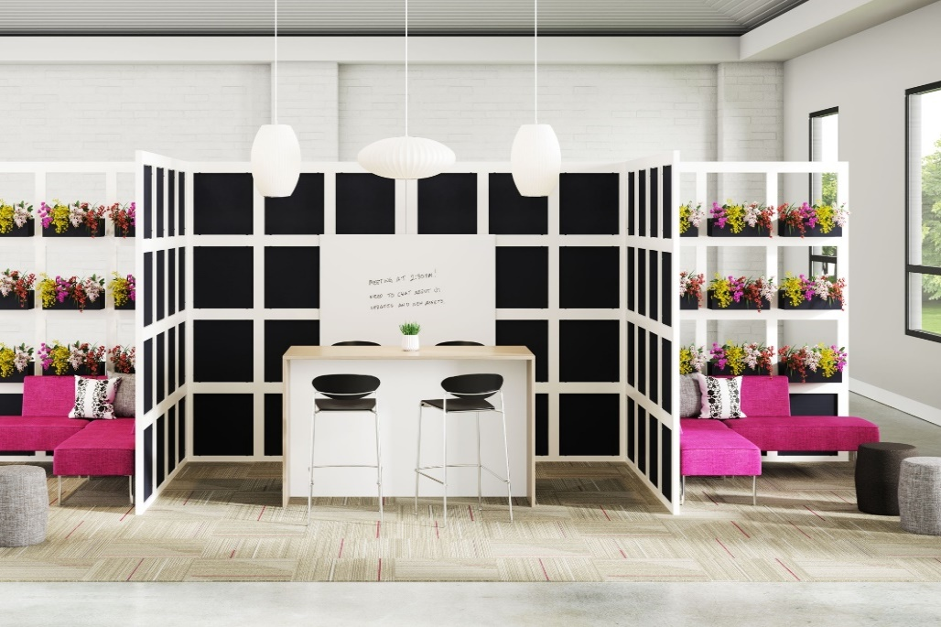

Model # | Qty | Description |  | Base List Price | Base Ext List Price | List Price as Shown | Total as Shown
17-2424BL | 80 | Single Block, 24"x24" |  | $284 | $22,720 | $284 | $22,720
17-17572EC | 4 | End Cap, 72" (used horizontally) |  | $369 | $1,476 | $369 | $1,476
17-17596EC | 2 | End Cap, 96" (used horizontally) |  | $381 | $762 | $381 | $762
17-17597EC | 6 | End Cap, 973/4” (used vertically) |  | $381 | $2,286 | $381 | $2,286
17-17597TCB | 2 | T-Connector Beam, 97 3/4” |  | $387 | $774 | $387 | $774
17-LEVKIT | 20 | Leveler Kit, 2 Levelers |  | $50 | $1,000 | $50 | $1,000
AP-2020AP | 62 | Acoustical Insert, 24” Block |  | $251 | $15,562 | $251 | $15,562
17-4658DEB | 1 | Dry Erase Board |  | $1,402 | $1,402 | $1,402 | $1,402
01-1909PL | 18 | Planter Box, TFL |  | $550 | $9,900 | $550 | $9,900
PBI | 18 | Plastic Planter Insert |  | $50 | $900 | $50 | $900
17-TOOL | 1 | Square One Allen Driver Bit |  | $57 | $57 | $57 | $57
66-3672TWT | 1 | Canvas TFL Standing Height Work Table |  | $1,849 | $1,849 | $1,849 | $1,849
550-90C | 2 | KickStart Modular Corner Unit, Gr 3 |  | $2,883 | $1,396 | $3,255 | $1,396
5502CL | 2 | KickStart Modular Chaise Settee, Left, Gr 3 |  | $2,968 | $5,936 | $3,340 | $6,680
5502CR | 2 | KickStart Modular Chaise Settee, Right, Gr 3 |  | $2,968 | $5,936 | $3,340 | $6,680
550-1617PF | 2 | KickStart Pouffe, Gr 3 |  | $739 | $1,478 | $972 | $1,944
01-1717TPS | 6 | Cush Square Pillows, 23", COM |  | $232 | $1,392 | $232 | $1,392
 |  |  | TOTAL LIST |  | $74,826 |  | $76,780

Canvas Work Table also available with HPL top, see Casegoods + Reception Price list for pricing

