550-22
Kickstart
Typical 550-22
Prices based on March 27, 2023 Price List. Finishes Shown: KickStart Lounge shown in Maharam Beck Buckram (Gr 7) and Maharam Meld Fox (Gr 5). Cush Pillows shown in Maharam Meld Fox (Gr 5) and Maharam Meld Panda (Gr 5). KickStart Pouffes shown in COM. Iconic Space Dividers shown in Shaker Cherry with Black Accents. Jot Tables shown with Designer White Laminate Tops and Black Metal Finish on Bases. |  |  | 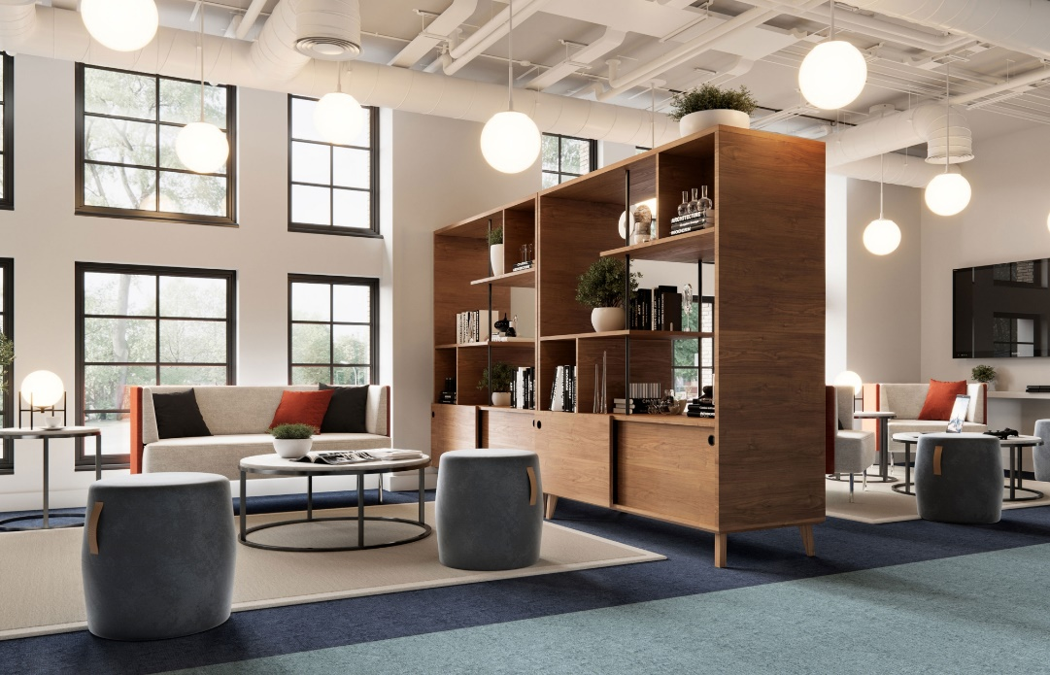

Model # | Qty | Description |  | Base List Price | Base Ext List Price | List Price as Shown | Total as Shown
Left Side
5503 | 1 | KickStart Sofa, Contrasting Fabrics, Gr 7/Gr 5 |  | $6,562 | $6,562 | $9,100 | $9,100
01-2323TPS | 2 | Cush Square Pillow, Gr 5 |  | $253 | $506 | $253 | $506
01-1717TPS | 1 | Cush Square Pillow, Gr 5 |  | $232 | $232 | $232 | $232
550-1617PF | 2 | KickStart Pouffee, COM |  | $739 | $1,478 | $739 | $1,478
50-2460OSD72 | 2 | Iconic Open Storage/Divider with Sliding Doors |  | $6,979 | $13,958 | $6,979 | $13,958
 |  |  | SUBTOTAL |  | $22,736 |  | $25,274

410-3636CT | 1 | Jot Circular Cocktail Table, TFL |  | $1,402 | $1,402 | $1,402 | $1,402
410-2020CT | 1 | Jot Circular End Table, TFL |  | $1,123 | $1,123 | $1,123 | $1,123
 |  |  | SUBTOTAL FROM ABOVE |  | $22,736 |  | $25,274
 |  |  | TFL TOTAL |  | $25,261 |  | $27,799

410-3636CT | 1 | Jot Circular Cocktail Table, Veneer |  | $1,782 | $1,782 | $1,782 | $1,782
410-2020CT | 1 | Jot Circular End Table, Veneer |  | $1,434 | $1,434 | $1,434 | $1,434
 |  |  | SUBTOTAL FROM ABOVE |  | $22,736 |  | $25,274
 |  |  | VENEER TOTAL |  | $25,952 |  | $28,490

410-3636CT | 1 | Jot Circular Cocktail Table, Solid Surface |  | $6,393 | $6,393 | $6,393 | $6,393
410-2020CT | 1 | Jot Circular End Table, Solid Surface |  | $4,183 | $4,183 | $4,183 | $4,183
 |  |  | SUBTOTAL FROM ABOVE |  | $22,736 |  | $25,274
 |  |  | SOLID SURFACE TOTAL |  | $33,312 |  | $35,850

Right Side
550 | 2 | KickStart Club Chair, Contrasting Fabrics, Gr 7/Gr 5 |  | $3,297 | $6,594 | $4,796 | $9,592
01-2323TPS | 1 | Cush Square Pillow |  | $253 | $253 | $253 | $253
01-1717TPS | 1 | Cush Square Pillow |  | $232 | $232 | $232 | $232
550-1617PF | 1 | KickStart Pouffee, COM |  | $739 | $739 | $739 | $739
 |  |  | SUBTOTAL |  | $7,818 |  | $10,816

410-3636CT | 1 | Jot Circular Cocktail Table, TFL |  | $1,402 | $1,402 | $1,402 | $1,402
410-2020CT | 1 | Jot Circular End Table, TFL |  | $1,123 | $1,123 | $1,123 | $1,123
 |  |  | SUBTOTAL FROM ABOVE |  | $7,818 |  | $10,816
 |  |  | TFL TOTAL |  | $10,343 |  | $13,341

410-3636CT | 1 | Jot Circular Cocktail Table, Veneer |  | $1,782 | $1,782 | $1,782 | $1,782
410-2020CT | 1 | Jot Circular End Table, Veneer |  | $1,434 | $1,434 | $1,434 | $1,434
 |  |  | SUBTOTAL FROM ABOVE |  | $7,818 |  | $10,816
 |  |  | VENEER TOTAL |  | $11,034 |  | $14,032

410-3636CT | 1 | Jot Circular Cocktail Table, Veneer |  | $6,393 | $12,786 | $6,393 | $4,578
410-2020CT | 1 | Jot Circular End Table, Veneer |  | $4,183 | $8,366 | $4,183 | $8,366
 |  |  | SUBTOTAL FROM ABOVE |  | $7,818 |  | $10,816
 |  |  | SOLID SURFACE TOTAL |  | $28,970 |  | $23,760

