550-21
Kickstart
Typical 550-21
Prices based on March 27, 2023 Price List. Finish/Fabrics: Me, Myself, and I shown in Maharam Leather Source Gusto (COM) with Sugar Maple finish. Kickstart shown in Maharam Leather Press Primal. (COM) |  |  | 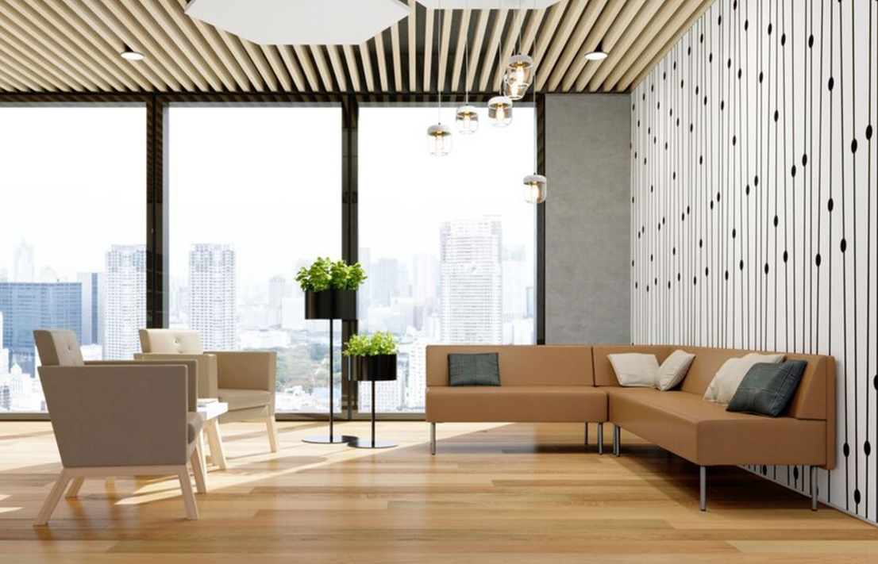

Model # | Qty | Description |  | Base List Price | Base Ext List Price | List Price as Shown | Total as Shown
5502N | 1 | Kickstart Modular Settee, COM |  | $3,255 | $3,255 | $3,255 | $3,255
5503N | 1 | Kickstart Modular Sofa, COM |  | $3,992 | $3,992 | $3,992 | $3,992
550-90C | 1 | Kickstart Corner Unit, COM |  | $2,883 | $2,883 | $2,883 | $2,883
01-1407TPR | 6 | Cush Rectangle Throw Pillow, 14"x7", COM |  | $228 | $1,368 | $228 | $1,368
MMI-01 | 2 | Me, Myself, and I Low Back Club Chair, COM |  | $2,968 | $5,936 | $2,968 | $5,936
MMIT-1 | 1 | Me, Myself, and I Square Table |  | $979 | $979 | $979 | $979
 |  |  | TOTAL |  | $4,251 |  | $4,251

