550-18
Kickstart
Typical 550-18
Prices based on March 27, 2023 Price List. Finishes Shown: Square One and Planters shown in Ember Gray with Raffia Acrylic Inserts. KickStart shown in CF Stinson Ritz Sage (Gr 4) and Ritz Leaf (Gr 4). Kickstart Bench and Cush Pillows shown in Happy Tappy Island Ease (Gr 8). |  |  | 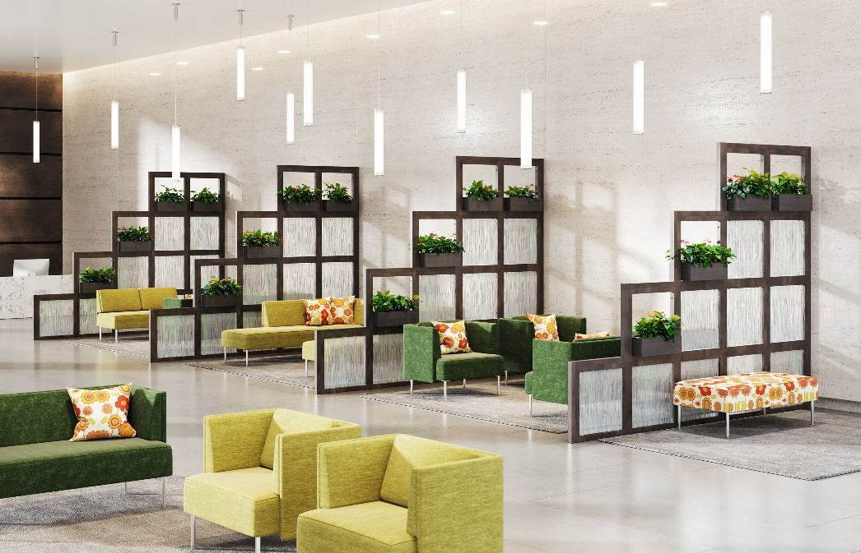

Model # | Qty | Description |  | Base List Price | Base Ext List Price | List Price as Shown | Total as Shown
550-5024RT | 1 | KickStart Modular Bench, Gr 7 |  | $1,685 | $1,685 | $2,689 | $2,689
550 | 8 | KickStart Club Chair with pillow back, Gr 4 |  | $3,297 | $26,376 | $4,001 | $32,008
5502N | 1 | KickStart Modular Settee, Gr 4 |  | $3,255 | $3,255 | $3,858 | $3,858
550-90C | 2 | KickStart Modular Corner Unit, Gr 4 |  | $2,952 | $5,904 | $3,419 | $6,838
5502CL | 1 | KickStart Modular Chaise Settee, Left, Gr 4 |  | $1,807 | $1,807 | $3,504 | $3,504
5502CR | 1 | KickStart Modular Chaise Settee, Right, Gr 4 |  | $2,109 | $2,109 | $3,504 | $3,504
5502 | 1 | KickStart Settee, Gr 4 |  | $1,235 | $1,235 | $5,754 | $5,754
01-1717TPS | 9 | Cush Square Throw Pillow, Gr 8 |  | $253 | $2,277 | $678 | $6,102
 |  |  | KICKSTART + CUSH PILLOWS TOTAL LIST |  | $44,648 |  | $64,257

17-2424BL | 56 | Square One Single Block, 24"x24" |  | $284 | $15,904 | $284 | $15,904
01-1909PL | 16 | Planter Box, TFL |  | $550 | $8,800 | $550 | $8,800
PBI | 16 | Square One Plastic Planter Insert, Black |  | $50 | $800 | $50 | $800
17-17597EC | 4 | Square One End Cap, 97 3/4" (used vertically) |  | $381 | $1,524 | $381 | $1,524
17-17548EC | 4 | Square One End Cap, 48” (used horizontally) |  | $304 | $1,216 | $304 | $1,216
17-17525EC | 16 | Square One End Cap, 25 3/4” (used vertically) |  | $293 | $4,688 | $293 | $4,688
17-17522EC | 12 | Square One End Cap, 22 1/4” (used horizontally) |  | $288 | $3,456 | $288 | $3,456
AI-2020AC | 40 | Square One Acrylic Inserts (Raffia) |  | $293 | $11,720 | $562 | $22,480
17-LEVKIT | 20 | Square One Leveler Kit |  | $50 | $1,000 | $50 | $1,000
17-TOOL | 1 | Square One Tool |  | $57 | $57 | $57 | $57
 |  |  | SQUARE ONE TOTAL LIST |  | $49,165 |  | $59,925

