550-17
Kickstart
Typical 550-17
Prices based on March 27, 2023 Price List. Finish/Fabrics: KickStart shown in CF Stinson Blip Grasshopper (Gr 3, High Surround), Momentum Silica Cumulus (Gr 7, Seat + Back), and Architex Pisa Giardino (Gr 8, Pillow Back) with Oak Riftwood. Spirit Lounge shown in Camira Oxygen Massage (Discontinued). Canvas Work Table shown in Beigewood and Designer White. Cush Pillows shown in CF Stinson Blip Grasshopper (Gr 3) |  |  | 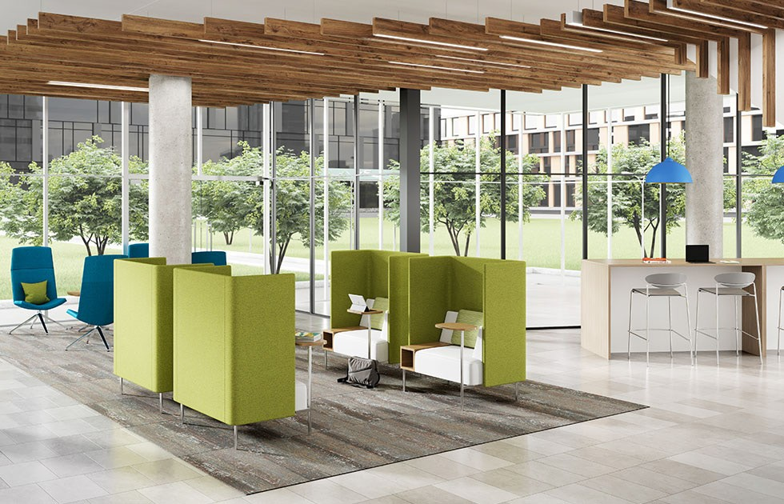

Model # | Qty | Description |  | Base List Price | Base Ext List Price | List Price as Shown | Total as Shown
Left Side
66-4872TWT | 1 | Work/Landing Table, TFL |  | $2,149 | $2,149 | $2,149 | $2,149
 |  |  | TFL TOTAL |  | $2,149 |  | $2,149

66-4872TWT | 1 | Work/Landing Table, HPL |  | $2,521 | $2,521 | $2,521 | $2,521
 |  |  | HPL TOTAL |  | $2,521 |  | $2,521

Right Side
SL24P | 4 | Spirit High Back Lounge Chair, 4 Star Polished Aluminum Base, COM |  | $1,876 | $7,504 | $2,364 | $9,456
01-1717TPS | 4 | Cush Square Throw Pillow, Gr 3 |  | $232 | $928 | $325 | $1,300
 |  |  | TOTAL |  | $8,432 |  | $10,756

550HNR | 2 | Kickstart Club Nook with High Surround, Pillow Back, Right with (TR) TFL Right Tablet Arm, Contrasting Upholstery, Gr 7/Gr 3/Gr 8 |  | $5,733 | $11,466 | $8,741 | $17,482
550HNL | 2 | Kickstart Club Nook with High Surround, Pillow Back, Right with (TL) TFL Left Tablet Arm, Contrasting Upholstery, Gr 7/Gr 3/Gr 8 |  | $5,733 | $11,466 | $8,741 | $17,482
 |  |  | SUBTOTAL FROM ABOVE |  | $8,432 |  | $10,756
 |  |  | TFL TOTAL |  | $31,364 |  | $45,720

550HNR | 2 | Kickstart Club Nook with High Surround, Pillow Back, Right with (PR) HPL Right Tablet Arm, Contrasting Upholstery, Gr 7/Gr 3/Gr 8 |  | $5,733 | $11,466 | $8,863 | $17,726
550HNL | 2 | Kickstart Club Nook with High Surround, Pillow Back, Right with (PL) HPL Left Tablet Arm, Contrasting Upholstery, Gr 7/Gr 3/Gr 8 |  | $5,733 | $11,466 | $8,863 | $17,726
 |  |  | SUBTOTAL FROM ABOVE |  | $8,432 |  | $10,756
 |  |  | HPL TOTAL |  | $31,364 |  | $46,208

Kickstart Tablet Arm also available in Veneer, see Seating + Occ Table Price List for pricing

