550-16
Kickstart
Typical 550-16
Prices based on March 27, 2023 Price List. Finish/Fabrics: KickStart shown in Mayer Fabrics Florentino Bluejay (Gr 3) and Florentino Mango (Gr 3). |  |  | 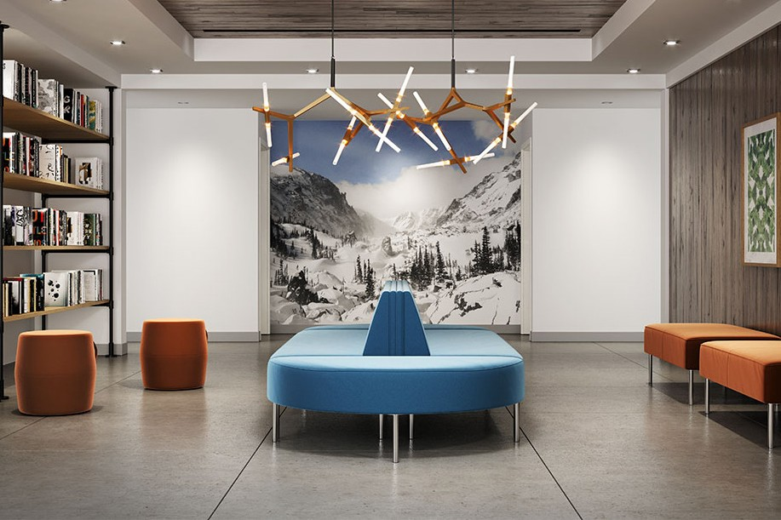

Model # | Qty | Description |  | Base List Price | Base Ext List Price | List Price as Shown | Total as Shown
5503N | 2 | Modular Sofa, Gr 3 |  | $3,992 | $7,984 | $4,573 | $9,146
550-5024HR | 2 | Modular Half Round Bench, Gr 3 |  | $1,400 | $2,800 | $1,633 | $3,266
550-1617PF | 2 | Pouffe, Gr 3 |  | $739 | $1,478 | $972 | $1,944
550-5024RT | 2 | Modular Bench, Gr 3 |  | $1,685 | $3,370 | $1,894 | $3,788
 |  |  | TOTAL |  | $15,632 |  | $18,144

