550-15
Kickstart
Typical 550-15
Prices based on March 27, 2023 Price List. Finish/Fabrics: KickStart Modular Benches, Settees, shown in CF Stinson Sprint Breeze (Gr 3) and Pouffes shown in CF Stinson Blip Moonstone (Gr 3). Spirit Seating shown in Camira Blazer Latymer (Gr 6). Tri-One Table show in Designer White with Aluminum Base. |  |  | 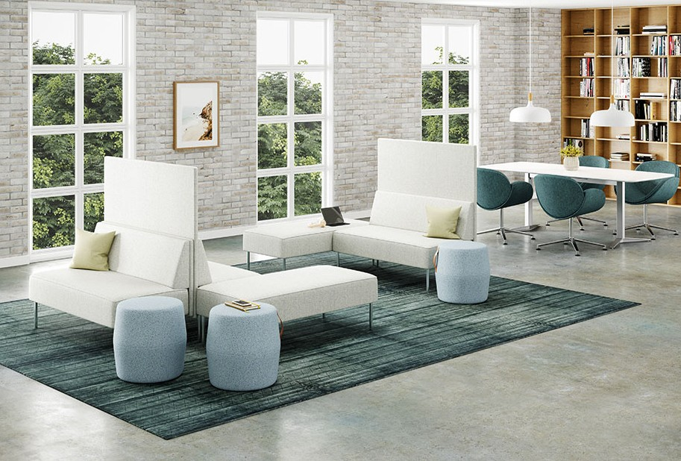

Model # | Qty | Description |  | Base List Price | Base Ext List Price | List Price as Shown | Total as Shown
550-1617PF | 3 | Pouffe, Gr 3 |  | $739 | $2,217 | $972 | $2,916
5502N | 1 | Modular Settee, Gr 3 |  | $3,255 | $3,255 | $3,674 | $3,674
550-5024RT | 2 | Modular Bench, Gr 3 |  | $1,685 | $3,370 | $1,894 | $3,788
5502NH | 2 | Modular Settee with High Surround, Gr 3 |  | $3,698 | $7,396 | $4,279 | $8,558
ST2C | 4 | Spirit Chair, 4 Star Polished Aluminum Swivel Base with Glides, Gr 6 |  | $1,807 | $7,228 | $3,025 | $12,100
08-2828YLG84 | 1 | Tri-One Y Base |  | $1,655 | $1,655 | $1,655 | $1,655
 |  |  | SUBTOTAL |  | $25,121 |  | $32,691

86-3684SMTKH | 1 | Tri-One Soft Rectangular Meeting Table, HPL, Knife Edge |  | $1,623 | $1,623 | $1,623 | $1,623
 |  |  | SUBTOTAL FROM ABOVE |  | $25,121 |  | $32,691
 |  |  | TOTAL HPL LIST |  | $26,744 |  | $34,314

86-3684SMTK | 1 | Tri-One Soft Rectangular Meeting Table, Veneer, Knife Edge |  | $2,236 | $2,236 | $2,236 | $2,236
 |  |  | SUBTOTAL FROM ABOVE |  | $25,121 |  | $32,691
 |  |  | TOTAL VENEER LIST |  | $27,357 |  | $34,927

