550-14
Kickstart
Typical 550-14
Prices based on March 27, 2023 Price List. Finish/Fabrics: KickStart Sofa’s Seat, Back, and Pillow Back shown in CF Stinson Shift Cirrus (Gr 4). High Surround and Blue Pouffe shown in CF Stinson Pivot Corsica and Green Pouffe shown in CF Stinson Refraction Anjou (both are Discontinued). Panel and Media Table shown in Oak Riftwood with Chrome Metal Finish on Legs. |  |  | 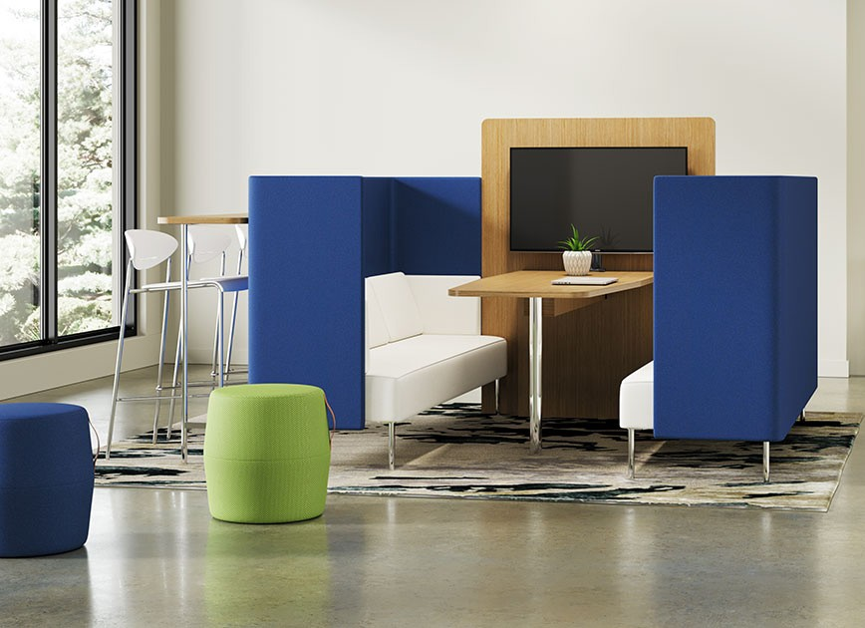

Model # | Qty | Description |  | Base List Price | Base Ext List Price | List Price as Shown | Total as Shown
550-1617PF | 2 | Pouffe, COM |  | $739 | $1,478 | $739 | $1,478
5503HL | 1 | Booth Sofa with High Surround and Pillows, Left, Contrasting Upholstery, COM |  | $8,059 | $8,059 | $8,834 | $8,834
5503HR | 1 | Booth Sofa with High Surround and Pillows, Right, Contrasting Upholstery, COM |  | $8,059 | $8,059 | $8,834 | $8,834
 |  |  | SUBTOTAL |  | $17,596 |  | $19,146

5560HP | 1 | High Surround Center Panel for Media Table, TFL |  | $687 | $687 | $687 | $687
550-3072MPS | 1 | Media Peninsula with Monitor Stand, TFL |  | $1,716 | $1,716 | $2,368 | $2,368
550-1681BT | 1 | Bistro Table, Chrome Leg, TFL |  | $994 | $994 | $1,098 | $1,098
 |  |  | SUBTOTAL FROM ABOVE |  | $17,596 |  | $19,146
 |  |  | TOTAL TFL LIST |  | $20,306 |  | $22,612

5560HP | 1 | High Surround Center Panel for Media Table, Veneer |  | $1,028 | $1,028 | $1,028 | $1,028
550-3072MPSV | 1 | Media Peninsula with Monitor Stand, Veneer |  | $2,671 | $2,671 | $3,323 | $3,323
550-1681BTV | 1 | Bistro Table, Chrome Leg, Veneer |  | $1,374 | $1,374 | $1,478 | $1,478
 |  |  | SUBTOTAL FROM ABOVE |  | $17,596 |  | $19,146
 |  |  | TOTAL VENEER LIST |  | $21,641 |  | $23,947

Bistro Table and Media Peninsula also available in HPL, Seating + Occ Tables Price List for pricing.
High Surround Center Panel also available in Upholstery Seating + Occ Tables Price List for pricing.

