550-13
Kickstart
Typical 550-13
Prices based on March 27, 2023 Price List. Finish/Fabrics: Jot and Tri-One Tables in Fawn Oak with Aluminum Base. KickStart High Surround shown in CF Stinson Sprint Mist (Gr 3), CF Stinson Realm Truffle (Gr 5, Seat/Back), and CF Stinson Realm Barley (Gr 3, Pillow Backs). |  |  | 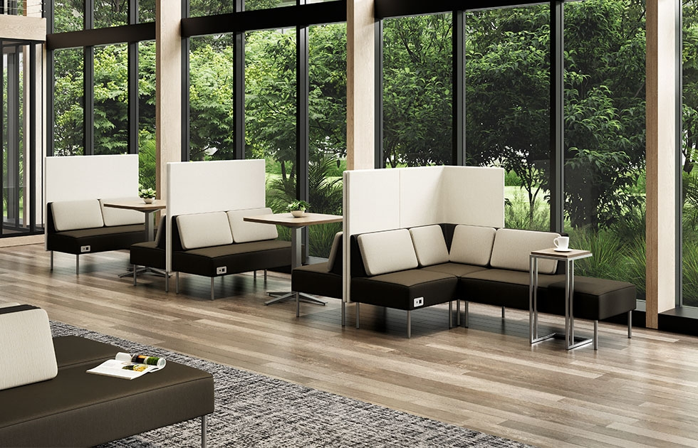

Model # | Qty | Description |  | Base List Price | Base Ext List Price | List Price as Shown | Total as Shown
5502NH | 4 | Modular Settee with High Surround, Pillows & ECA Cove Power/Data Port, Contrasting Upholstery, Gr 3/Gr 5 |  | $3,698 | $14,792 | $5,256 | $21,024
550-90CH | 1 | Modular Corner Unit with High Surround & Pillows, Contrasting Upholstery, Gr 3/Gr 5 |  | $3,407 | $3,407 | $4,820 | $4,820
5502CR | 1 | Modular Chaise Settee, Right with Pillow, Contrasting Upholstery, Gr 3/Gr 5 |  | $2,968 | $2,968 | $4,056 | $4,056
5502CL | 2 | Modular Chaise Settee, Left with Pillow, Contrasting Upholstery, Gr 3/Gr 5 |  | $2,968 | $5,936 | $4,056 | $8,112
550NH | 1 | Modular Club Chair with Pillows & ECA Cove Power/Data Port, Contrasting Upholstery, Gr 3/Gr 5 |  | $2,804 | $2,804 | $3,907 | $3,907
08-2030SXB | 2 | X Base, Aluminum |  | $1,100 | $2,200 | $1,100 | $2,200
 |  |  | SUBTOTAL |  | $32,107 |  | $44,119

410-1412AT | 1 | Jot Auxillary Table, TFL |  | $1,255 | $1,255 | $1,255 | $1,255
86-3030SSQ | 2 | Tri-One Soft Square Meeting Top, TFL |  | $484 | $968 | $484 | $968
 |  |  | SUBTOTAL FROM ABOVE |  | $32,107 |  | $44,119
 |  |  | TOTAL TFL LIST |  | $34,330 |  | $46,342

410-1412AT | 1 | Jot Auxillary Table, Veneer |  | $1,410 | $1,410 | $1,410 | $1,410
85-3030SSQ | 2 | Tri-One Soft Square Meeting Top, Veneer |  | $975 | $1,950 | $975 | $1,950
 |  |  | SUBTOTAL FROM ABOVE |  | $32,107 |  | $44,119
 |  |  | TOTAL VENEER LIST |  | $35,467 |  | $47,479

Jot Auxillary Table also available with Solid Surface Top, see Seating + Occ Tables Price List for pricing
Tri-One Soft Square Meeting Tops also available in HPL, see Tables + Space Division Price List for pricing.

