550-10
Kickstart
Typical 550-10
Prices based on March 27, 2023 Price List. Finish/Fabrics: KickStart High Surround shown in CF Stinson Shift Blue Agate (Gr 4) and Seat, Back shown in Shift Cirrus (Gr 4). Tri-One Table shown in Oak Riftwood. |  |  | 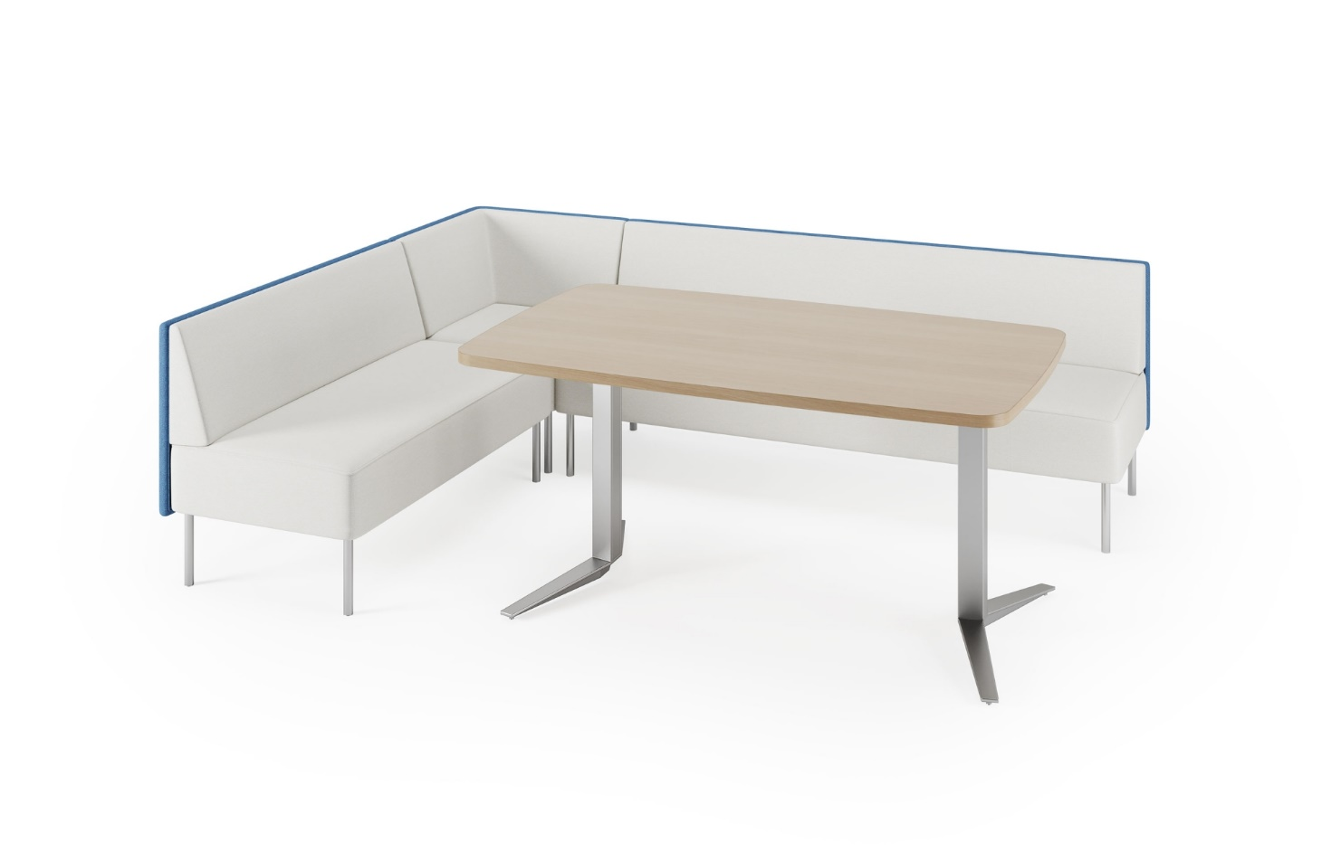

Model # | Qty | Description |  | Base List Price | Base Ext List Price | List Price as Shown | Total as Shown
5503N | 1 | Modular Sofa, Contrasting Fabrics, Gr 4 |  | $3,992 | $3,992 | $4,830 | $4,830
5502N | 1 | Modular Settee, Contrasting Fabrics, Gr 4 |  | $3,255 | $3,255 | $3,858 | $3,858
550-90C | 1 | Modular Corner Unit, Contrasting Fabrics, Gr 4 |  | $2,883 | $2,883 | $3,419 | $3,419
08-2828YLG60 | 1 | Tri-One Y Base |  | $1,553 | $1,553 | $1,553 | $1,553
 |  |  | SUBTOTAL |  | $11,683 |  | $13,660

86-3660SMT | 1 | Tri-One Soft Rectangular Meeting Table, TFL, Square Edge |  | $768 | $768 | $786 | $786
 |  |  | SUBTOTAL FROM ABOVE |  | $11,683 |  | $13,660
 |  |  | TFL TOTAL |  | $12,451 |  | $14,446

86-3660SMTH | 1 | Tri-One Soft Rectangular Meeting Table, HPL, Square Edge |  | $1,039 | $1,039 | $1,039 | $1,039
 |  |  | SUBTOTAL FROM ABOVE |  | $11,683 |  | $13,660
 |  |  | HPL TOTAL |  | $12,722 |  | $14,699

85-3660SMT | 1 | Tri-One Soft Rectangular Meeting Table, Veneer, Square Edge |  | $1,541 | $1,541 | $1,541 | $1,541
 |  |  | SUBTOTAL FROM ABOVE |  | $11,683 |  | $13,660
 |  |  | VENEER TOTAL |  | $13,224 |  | $15,201

