15-8
Fifteen
Typical 15-8
Prices based on March 27, 2023 Price List. Finishes Shown: Fifteen Lounge shown in Camira Aquarius Aristotle (Gr 5), Aquarius Spinoza (Gr 5) and Aquarius Manta (Gr 5). |  |  | 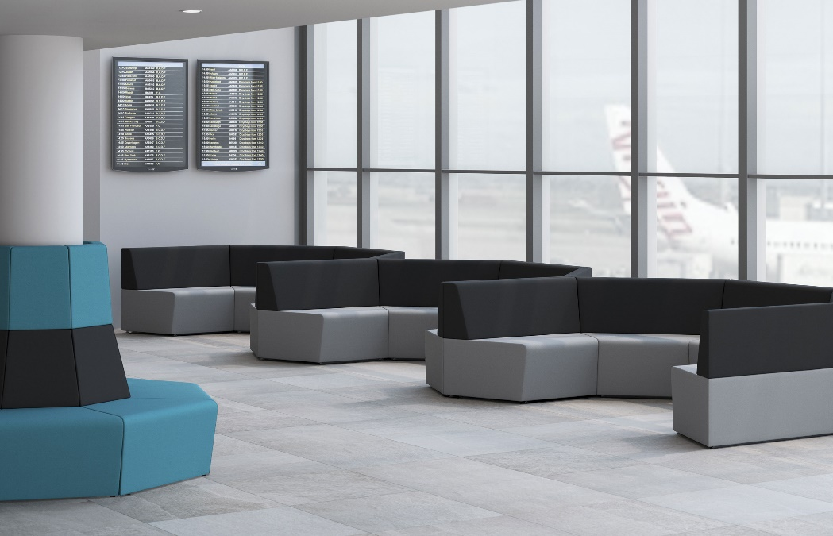

Model # | Qty | Description |  | Base List Price | Base Ext List Price | List Price as Shown | Total as Shown
15-12ECR | 8 | 45° External Corner with High Back, Contrasting, Gr 5 |  | $1,815 | $14,520 | $2,636 | $21,088
15-11ICR | 15 | 45° Internal Corner with Low Back, Contrasting, Gr 5 |  | $2,046 | $30,690 | $3,102 | $46,530
 |  |  | TOTAL LIST |  | $45,210 |  | $67,618

