15-7
Fifteen
Typical 15-7
Prices based on March 27, 2023 Price List. Finishes Shown: Fifteen Lounge shown in Camira Aquarius Spinoza (Gr 5) and Aquarius Manta (Gr 5). |  |  | 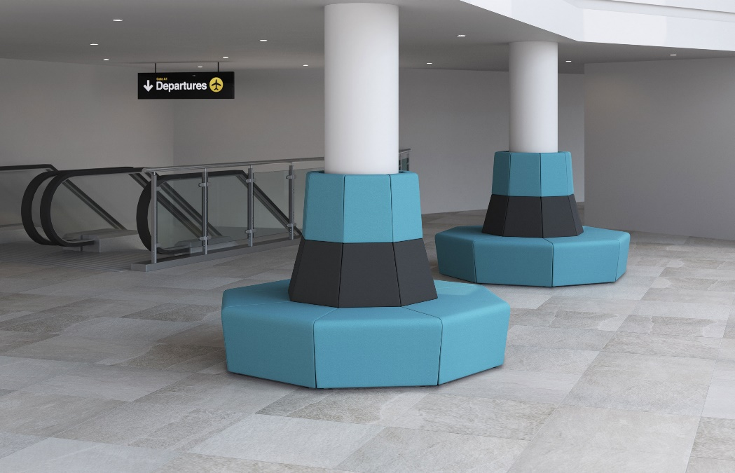

Model # | Qty | Description |  | Base List Price | Base Ext List Price | List Price as Shown | Total as Shown
15-12ECR | 16 | 45° External Corner with High Back, Contrasting, Gr 5 |  | $1,815 | $29,040 | $2,636 | $42,176
 |  |  | TOTAL LIST |  | $29,040 |  | $42,176

