15-12
Fifteen
Typical 15-12
Prices based on March 27, 2023 Price List. Finishes/Fabrics Shown: Fifteen Lounge shown in Panaz Highland 911 Steel and Highland 134 Sky (COM). Fifteen View Booth Tables shown in Designer White with Aluminum Leg. |  |  | 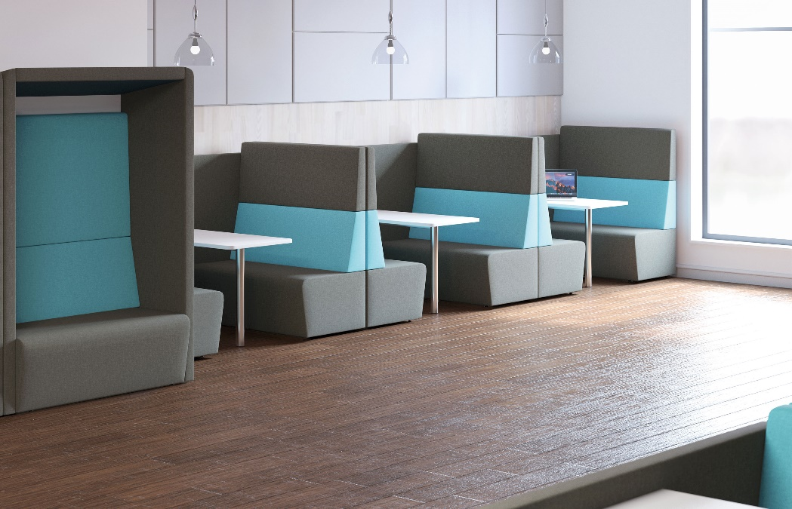

Model # | Qty | Description |  | Base List Price | Base Ext List Price | List Price as Shown | Total as Shown
15-22N | 6 | Fifteen Two Seat with High Back and No Arms, Contrasting, COM |  | $3,077 | $18,462 | $3,088 | $18,528
15-HCP79 | 3 | Fifteen High Single-Sided Center Panel, (TBLBKT) View Booth Table Being Used, Gr COM |  | $1,967 | $5,901 | $1,967 | $5,901
15-P22 | 1 | Fifteen Two Seat Pod, Contrasting, Gr COM |  | $7,108 | $7,108 | $7,108 | $7,108
 |  |  | SUBTOTAL |  | $31,471 |  | $31,537

15-E3TV24 | 3 | Fifteen View Booth Table, TFL |  | $662 | $1,986 | $662 | $1,986
 |  |  | SUBTOTAL FROM ABOVE |  | $31,471 |  | $31,537
 |  |  | TOTAL TFL LIST |  | $33,457 |  | $33,523

15-E3TV24H | 3 | Fifteen View Booth Table, HPL |  | $839 | $2,517 | $839 | $2,517
 |  |  | SUBTOTAL FROM ABOVE |  | $31,471 |  | $31,537
 |  |  | TOTAL HPL LIST |  | $33,988 |  | $34,054

15-E3TV24V | 3 | Fifteen View Booth Table, Veneer |  | $1,049 | $3,147 | $1,049 | $3,147
 |  |  | SUBTOTAL FROM ABOVE |  | $31,471 |  | $31,537
 |  |  | TOTAL VENEER LIST |  | $34,618 |  | $34,684
Designer White only available with Fifteen View Tables with TFL and HPL options.

