15-11
Fifteen
Typical 15-11
Prices based on March 27, 2023 Price List. |  |  | 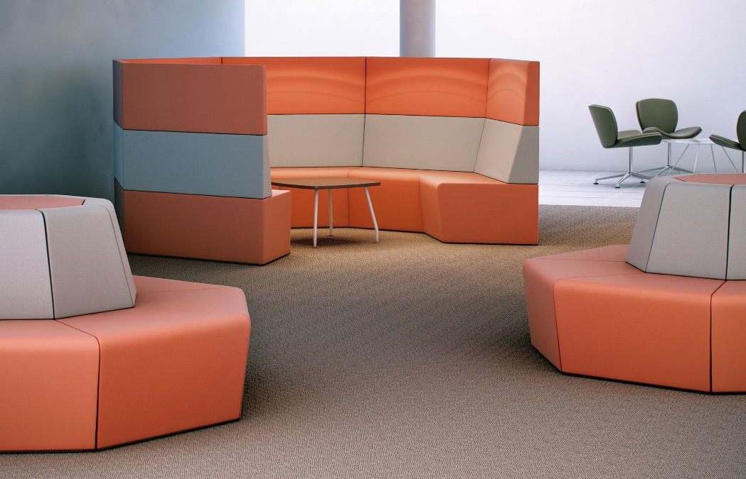

Model # | Qty | Description |  | Base List Price | Base Ext List Price | List Price as Shown | Total as Shown
15-12ICR | 6 | Fifteen 45° Internal Corner, Contrasting, COM |  | $2,698 | $16,188 | $2,720 | $16,320
15-11ECR | 16 | Fifteen 45° External Corner with Low Back, Contrasting, COM |  | $1,430 | $22,880 | $1,485 | $23,760
15-INSERT | 2 | Fifteen Octagon Top Cap, COM |  | $578 | $1,156 | $578 | $1,156
STL2C | 4 | Spirit Lite Chair with 4-star Polished Aluminum Swivel Base, COM |  | $1,288 | $5,152 | $1,288 | $5,152
 |  |  | SUBTOTAL |  | $45,376 |  | $46,388

ST11C | 1 | Spirit Square Table, TFL with Aluminum Frame |  | $821 | $821 | $821 | $821
 |  |  | SUBTOTAL FROM ABOVE |  | $45,376 |  | $46,388
 |  |  | TFL TOTAL |  | $46,197 |  | $47,209

ST11CH | 1 | Spirit Square Table, HPL with Aluminum Frame |  | $991 | $991 | $991 | $991
 |  |  | SUBTOTAL FROM ABOVE |  | $45,376 |  | $46,388
 |  |  | HPL TOTAL |  | $46,367 |  | $47,379

