15-10
Fifteen
Typical 15-10
Prices based on March 27, 2023 Price List. |  |  | 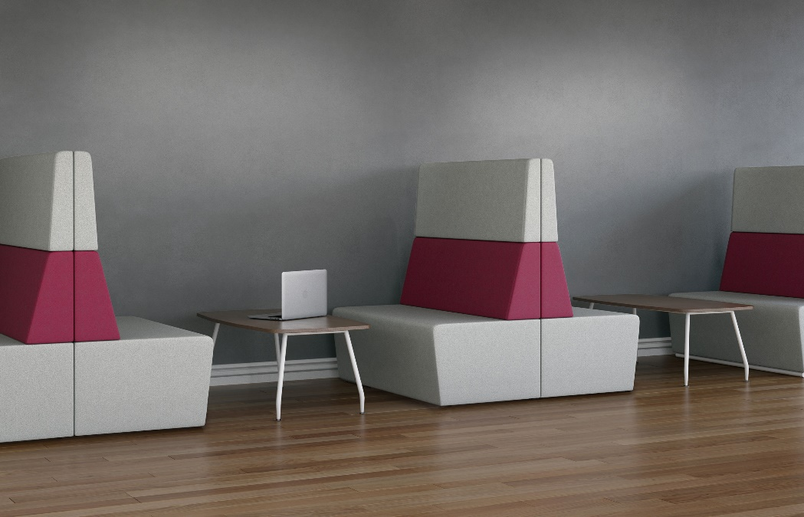

Model # | Qty | Description |  | Base List Price | Base Ext List Price | List Price as Shown | Total as Shown
15-32N | 6 | Fifteen Three Seat with High Back and No Arms, Contrasting, COM |  | $4,124 | $24,744 | $4,124 | $24,744
 |  |  | TOTAL LIST |  | $24,744 |  | $24,744

