230-7
Britta
Typical 230-7
Prices based on March 27, 2023 Price List. Finishes Shown: Strut shown in Black with an Asian Night Circular Top. Britta Guest Seating shown in Architex Platform Presto (Gr 5) with Asian Night finish. Canvas/Gesso Casegoods shown in Asian Night. |  |  | 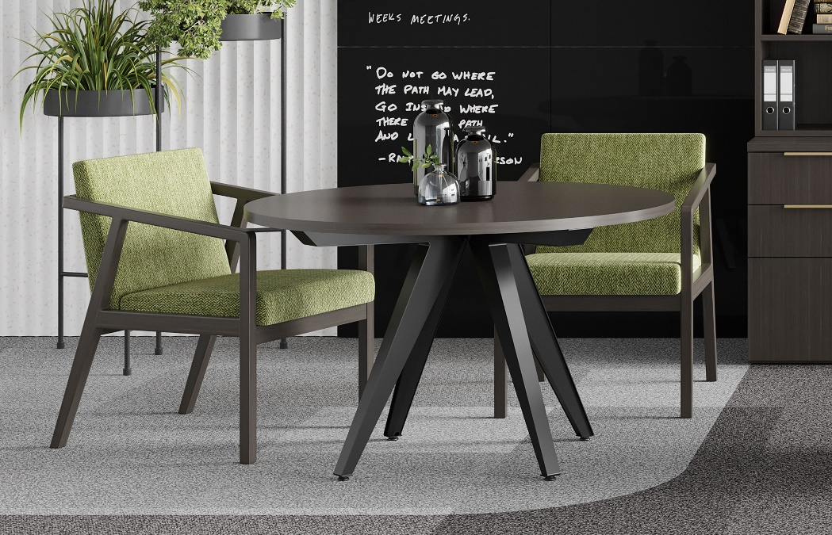

Model # | Qty | Description |  | Base List Price | Base Ext List Price | List Price as Shown | Total as Shown
235 | 2 | Britta Open Arm Guest Chair, Gr. 5 |  | $1,366 | $2,732 | $1,662 | $3,324
88-4848CT | 1 | Strut Circular Top, HPL, Square Edge |  | $873 | $873 | $873 | $873
01-2228STR4 | 1 | Strut Table Legs (2 Pair, 4 Legs) |  | $2,470 | $2,470 | $2,470 | $2,470
 |  |  | TOTAL HPL LIST |  | $6,075 |  | $6,667

235 | 2 | Britta Open Arm Guest Chair, Gr. 5 |  | $1,366 | $2,732 | $1,662 | $3,324
88-4848CT | 1 | Strut Circular Top, Veneer, Square Edge |  | $989 | $989 | $989 | $989
01-2228STR4 | 1 | Strut Table Legs (2 Pair, 4 Legs) |  | $2,470 | $2,470 | $2,470 | $2,470
 |  |  | TOTAL VENEER LIST |  | $6,191 |  | $6,783

