230-4
Britta
Typical 230-4
Prices based on March 27, 2023 Price List. Finishes Shown: Britta shown in Pallas Solid Footing Seaform (Gr 6) and Athalie Bermuda (Gr 7) with Artisan Walnut Finish. Jot Tables shown in Artisan Walnut Finish with Oyster Metal Finish. |  |  | 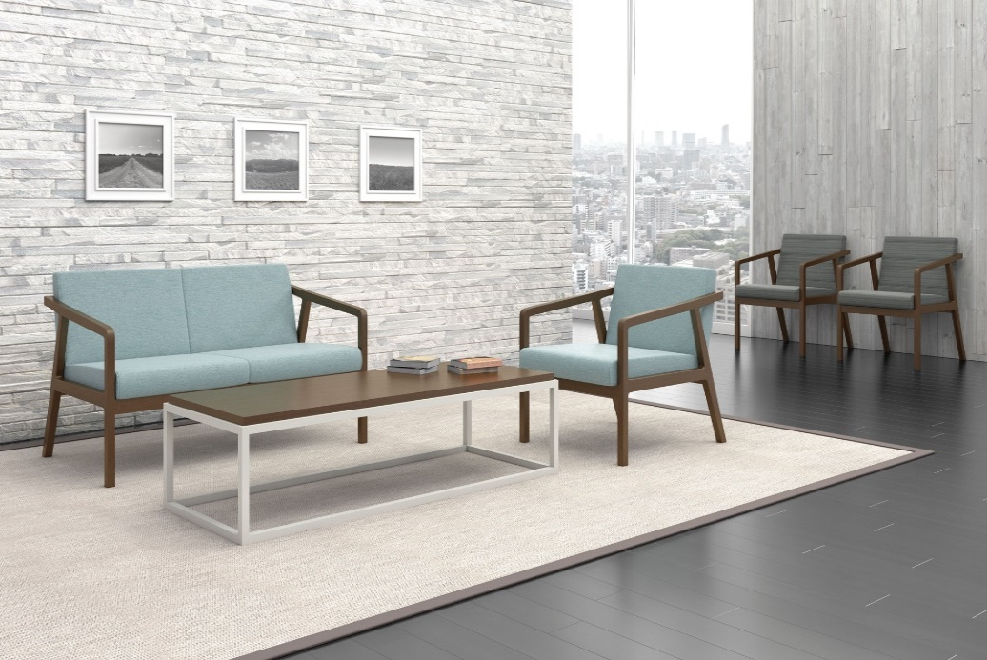

Model # | Qty | Description |  | Base List Price | Base Ext List Price | List Price as Shown | Total as Shown
236 | 1 | Britta Open Arm Lounge Chair, Gr 6 |  | $1,618 | $1,618 | $2,075 | $2,075
2362 | 1 | Britta Open Arm Settee, Gr 6 |  | $2,680 | $2,680 | $3,528 | $3,528
235 | 2 | Britta Open Arm Guest Chair, Gr 7 |  | $1,366 | $2,732 | $1,894 | $3,788
410-2248MT | 1 | Jot Rectangular Cocktail Table, TFL |  | $1,413 | $1,413 | $1,413 | $1,413
 |  |  | TOTAL TFL LIST |  | $8,443 |  | $10,804

236 | 1 | Britta Open Arm Lounge Chair, Gr 6 |  | $1,618 | $1,618 | $2,075 | $2,075
2362 | 1 | Britta Open Arm Settee, Gr 6 |  | $2,680 | $2,680 | $3,528 | $3,528
235 | 2 | Britta Open Arm Guest Chair, Gr 7 |  | $1,366 | $2,732 | $1,894 | $3,788
410-2248MT | 1 | Jot Rectangular Cocktail Table, Veneer |  | $1,672 | $1,672 | $1,672 | $1,672
 |  |  | TOTAL VENEER LIST |  | $8,702 |  | $11,063

236 | 1 | Britta Open Arm Lounge Chair, Gr 6 |  | $1,618 | $1,618 | $2,075 | $2,075
2362 | 1 | Britta Open Arm Settee, Gr 6 |  | $2,680 | $2,680 | $3,528 | $3,528
235 | 2 | Britta Open Arm Guest Chair, Gr 7 |  | $1,366 | $2,732 | $1,894 | $3,788
410-2248MT | 1 | Jot Rectangular Cocktail Table, Solid Surface |  | $3,632 | $3,632 | $3,632 | $3,632
 |  |  | TOTAL SOLID SURFACE LIST |  | $10,662 |  | $13,023

