230-34
Britta
Typical 230-34
Prices based on March 27, 2023 Price List. Finishes Shown: Britta Seating shown in Architex After Party Slate (Discontinued) with Asian Night Finish. Jot shown with Sedona Solid Surface and Noir Metal Finish. Canvas+Gesso Studio Components and Floating Shelves shown in Asian Night. |  |  | 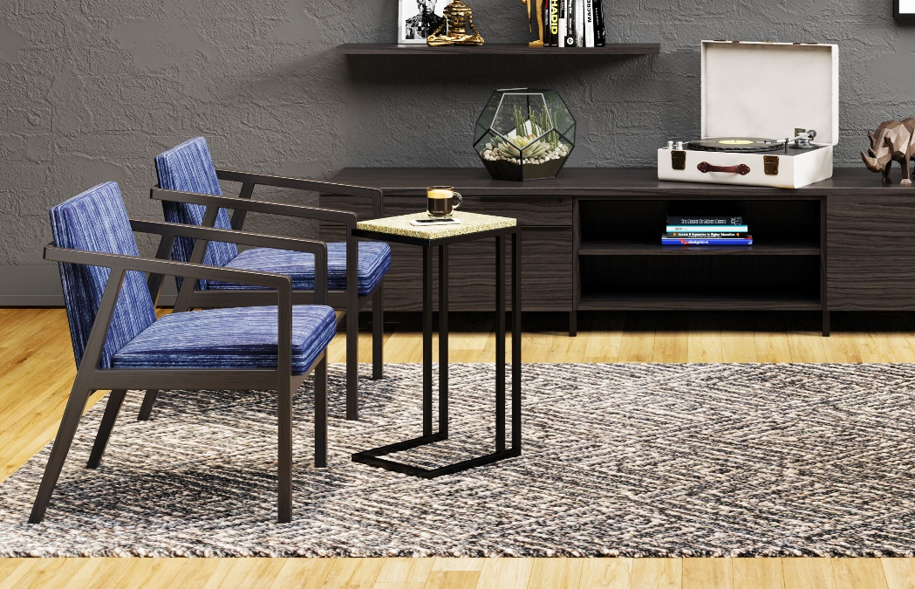

Model # | Qty | Description |  | Base List Price | Base Ext List Price | List Price as Shown | Total as Shown
236 | 2 | Britta Open Arm Lounge Chair, COM |  | $1,618 | $3,236 | $1,618 | $3,236
01-0404SL4 | 1 | Studio, Single Leg (4-Pack) |  | $239 | $239 | $239 | $239
01-0404SSL4 | 1 | Studio, Shared Leg (4-Pack) |  | $239 | $239 | $239 | $239
66-2436SBC | 1 | Studio Low Modular Pedestal Open Bookcase, TFL |  | $1,129 | $1,129 | $1,129 | $1,129
66-2436STF | 2 | Studio Low Modular Pedestal Tray/File, TFL |  | $1,296 | $2,592 | $1,296 | $2,592
66-0948FS | 1 | Canvas, Floating Shelf, TFL |  | $509 | $509 | $509 | $509
 |  |  | SUBTOTAL |  | $7,435 |  | $7,435

410-1412AT | 1 | Jot Auxiliary Table, TFL |  | $1,255 | $1,255 | $1,255 | $1,255
66-2472TP | 1 | Canvas Modular Cabinet Top, TFL |  | $613 | $613 | $613 | $613
66-2436TP | 1 | Canvas Modular Cabinet Top, TFL |  | $382 | $382 | $382 | $382
 |  |  | SUBTOTAL FROM ABOVE |  | $7,435 |  | $7,435
 |  |  | TOTAL TFL LIST |  | $9,685 |  | $9,685

410-1412AT | 1 | Jot Auxiliary Table, Veneer |  | $1,410 | $1,410 | $1,410 | $1,410
65-24108TP | 1 | Gesso Modular Cabinet Top, HPL/Veneer |  | $1,251 | $1,251 | $1,251 | $1,251
 |  |  | SUBTOTAL FROM ABOVE |  | $7,435 |  | $14,867
 |  |  | TOTAL HPL LIST |  | $10,096 |  | $17,528

Canvas Modular Cabinet Top also available in HPL, See Casegoods Price List for pricing
Jot Auxiliary Table also available in Solid Surface, See Seating Price List for pricing

