230-3
Britta
Typical 230-3
Prices based on March 27, 2023 Price List. Finishes Shown: Britta Seating shown in Maharam Pebble Wool Birch (Discontinue). Britta Table shown in Artisan Walnut. Madera Casegoods shown in Artisan Walnut with Maharam Coincide Mist (Discontinue) Tackboard. Clutch Task Seating shown in Green Hides Sierra White (Gr L1). |  |  | 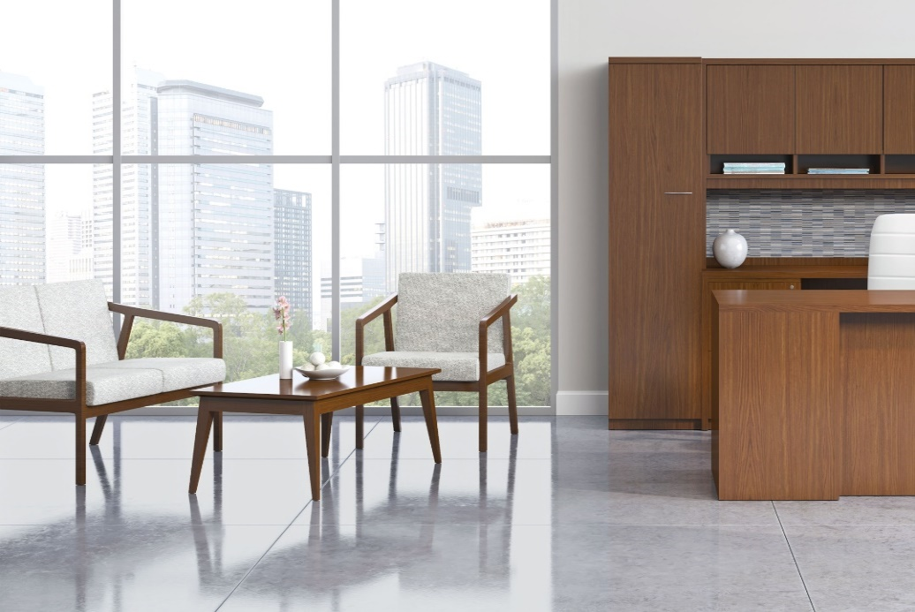

Model # | Qty | Description |  | Base List Price | Base Ext List Price | List Price as Shown | Total as Shown
236 | 1 | Britta Open Arm Lounge Chair, COM |  | $1,618 | $1,618 | $1,618 | $1,618
2362 | 1 | Britta Open Arm Settee, COM |  | $2,680 | $2,680 | $2,680 | $2,680
231-4723RCT | 1 | Britta Rectangular Cocktail Table |  | $1,666 | $1,666 | $1,666 | $1,666
 |  |  | TOTAL VENEER/HPL LIST |  | $5,964 |  | $5,964

236 | 1 | Britta Open Arm Lounge Chair, COM |  | $1,618 | $1,618 | $1,618 | $1,618
2362 | 1 | Britta Open Arm Settee, COM |  | $2,680 | $2,680 | $2,680 | $2,680
231-4723RCT | 1 | Britta Rectangular Cocktail Table |  | $2,142 | $2,142 | $2,142 | $2,142
 |  |  | TOTAL PREMIUM VENEER LIST |  | $6,440 |  | $6,440

