230-2
Britta
Typical 230-2
Prices based on March 27, 2023 Price List. Finishes Shown: Britta Guest Seating shown in Maharam Pebble Wool Birch (discontinued) with Artisan Walnut. Aura Reception and Madera Occasional Table shown in Artisan Walnut. |  |  | 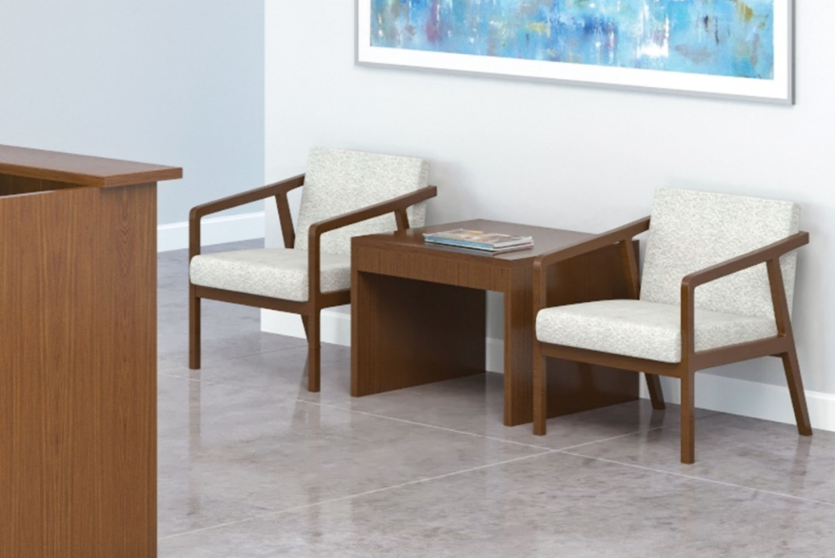

Model # | Qty | Description |  | Base List Price | Base Ext List Price | List Price as Shown | Total as Shown
236 | 2 | Britta Open Arm Lounge Chair, COM |  | $1,618 | $3,236 | $1,618 | $3,236
14-2828LT | 1 | Madera Lamp Table |  | $1,708 | $1,708 | $1,708 | $1,708
 |  |  | TOTAL VENEER/HPL LIST |  | $4,944 |  | $4,944

236 | 2 | Britta Open Arm Lounge Chair, COM |  | $1,618 | $3,236 | $1,618 | $3,236
14-2828LT | 1 | Madera Lamp Table |  | $2,002 | $2,002 | $2,002 | $2,002
 |  |  | TOTAL PREMIUM VENEER LIST |  | $5,238 |  | $5,238

