230-1
Britta
Typical 230-1
Prices based on March 27, 2023 Price List. Finishes Shown: Britta shown in Pallas Athalie Bermuda (Gr 7) with Artisan Walnut Finish. Britta Tables shown in Artisan Walnut Finish. |  |  | 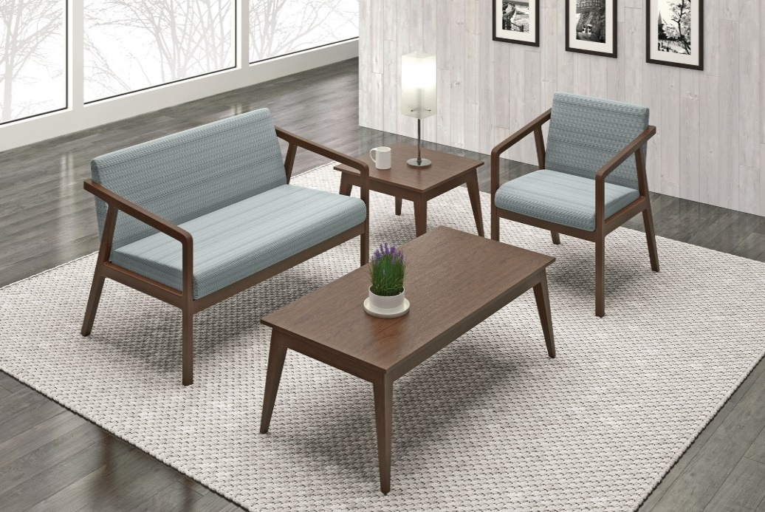

Model # | Qty | Description |  | Base List Price | Base Ext List Price | List Price as Shown | Total as Shown
236 | 1 | Britta Open Arm Lounge Chair, Gr 7 |  | $1,618 | $1,618 | $2,234 | $2,234
2362 | 1 | Britta Open Arm Settee, Gr 7 |  | $2,680 | $2,680 | $3,824 | $3,824
231-1818ET | 1 | Britta Square End Table, Square Edge |  | $1,389 | $1,389 | $1,389 | $1,389
231-4723RCT | 1 | Britta Rectangular Cocktail Table, Square Edge |  | $1,666 | $1,666 | $1,666 | $1,666
 |  |  | TOTAL SQUARE EDGE LIST |  | $7,353 |  | $9,113

236 | 1 | Britta Open Arm Lounge Chair, Gr 7 |  | $1,618 | $1,618 | $2,234 | $2,234
2362 | 1 | Britta Open Arm Settee, Gr 7 |  | $2,680 | $2,680 | $3,824 | $3,824
231-1818ET | 1 | Britta Square End Table, Knife Edge |  | $1,778 | $1,778 | $1,778 | $1,778
231-4723RCT | 1 | Britta Rectangular Cocktail Table, Knife Edge |  | $2,142 | $2,142 | $2,142 | $2,142
 |  |  | TOTAL KNIFE EDGE LIST |  | $8,218 |  | $9,978

