375-3
Bliss
Typical 375-3
Prices based on March 27, 2023 Price List. Finishes Shown: Bliss shown in Pallas Textiles Cheeky Frost fabric (Discontinued). Tablets shown as Right Melamine Writing Tablet (Black) and Right Wood Writing Tablet (Shaker Cherry). |  |  | 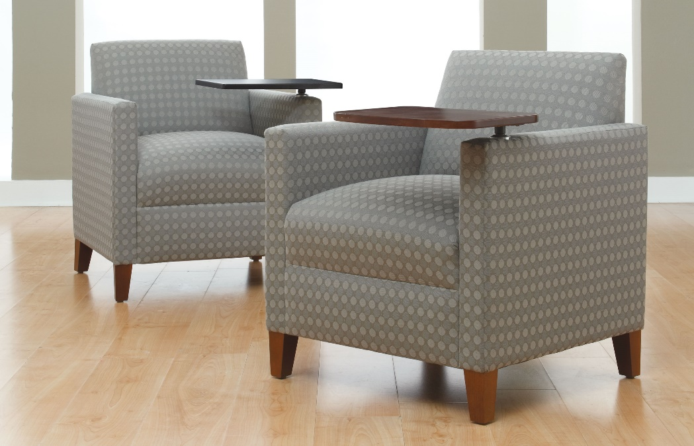

Model # | Qty | Description |  | Base List Price | Base Ext List Price | List Price as Shown | Total as Shown
377 | 1 | Bliss Club Chair with Black Writing Tablet Arm, Gr COM |  | $2,271 | $2,271 | $2,646 | $2,646
377 | 1 | Bliss Club Chair with Wood Tablet Arm, Gr COM |  | $2,271 | $2,271 | $2,815 | $2,815
 |  |  | TOTAL LIST |  | $4,542 |  | $5,461

