620-9
Plush
Typical 620-9
Prices based on March 27, 2023 Price List. Finishes Shown: Plush shown in Momentum Imperial Mohair Thunderclound (COM) with Shaker Cherry Plinth and Legs. Bailey Cocktail Table shown in Shaker Cherry and End Table shown in Oak Riftwood. Iconic shown in Shaker Cherry with Aluminum Accent. KickStart Pouffes shown in Mayer Fedora Dapper (Gr 2) and Mayer Fedora Charcoal (Gr 2). |  |  | 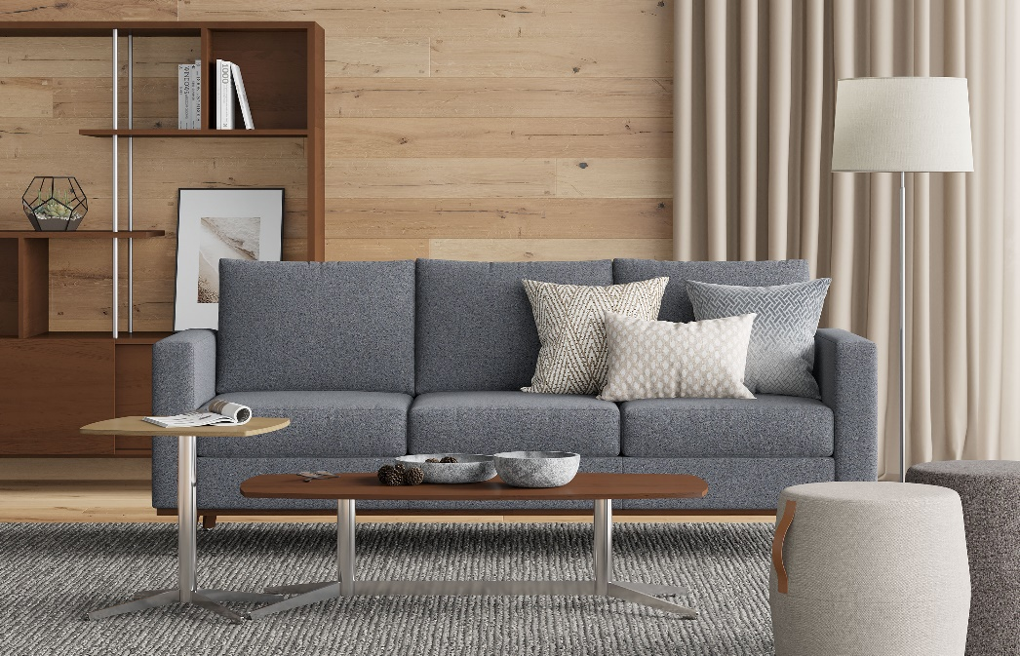

Model # | Qty | Description |  | Base List Price | Base Ext List Price | List Price as Shown | Total as Shown
6203 | 1 | Plush Sofa, (PLINTH) Wood Plinth, (ICON) Four Iconic Wood Legs, COM |  | $6,301 | $6,301 | $6,914 | $6,914
50-2460OSD72 | 1 | Iconic Open Storage/Divider with Sliding Doors |  | $6,979 | $6,979 | $6,979 | $6,979
719-2020SETK | 1 | Bailey Veneer Soft Square End Table, Knife Edge |  | $1,363 | $1,363 | $1,363 | $1,363
719-2550SRTK | 1 | Bailey Veneer Soft Rectangle Cocktail Table, Knife Edge |  | $2,121 | $2,121 | $2,121 | $2,121
550-1617PF | 2 | KickStart Pouffes, Gr 2 |  | $739 | $1,478 | $864 | $1,728
01-2323TPS | 2 | Cush Square Pillow, COM |  | $253 | $506 | $253 | $506
01-1911TPR | 1 | Cush Rectangle Pillow, COM |  | $262 | $262 | $262 | $262
 |  |  | TOTAL LIST |  | $19,010 |  | $19,873

