620-8
Plush
Typical 620-8
Prices based on March 27, 2023 Price List. Finishes Shown: Plush L-Grouping and Ottoman shown in Architex Purechinelle Meringue (Gr 6) with Black Metal Legs. Plush Club Chair shown in Architex Steed Mudslide (Gr 6) with Black Metal Legs. Plush Table shown in Artisan Walnut. Cush Pillows shown in Sina Pearson Rustic Fleece 528-81 Fleece (Gr 9), Architex Platform Anthracite (Gr 5), and Architex Platform Cacao (Gr 5). |  |  | 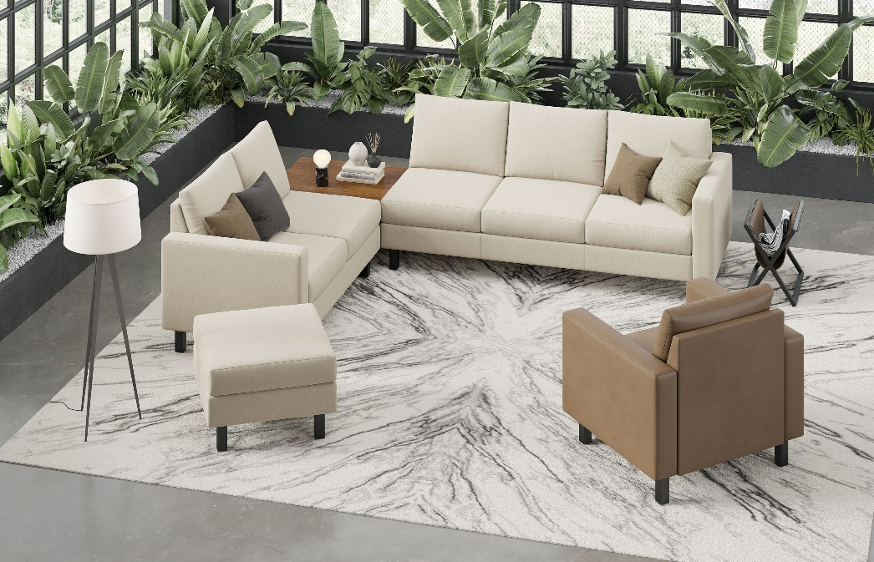

Model # | Qty | Description |  | Base List Price | Base Ext List Price | List Price as Shown | Total as Shown
6203R | 1 | Plush Sofa, 1 Arm, Right, Gr 6 |  | $5,835 | $5,835 | $8,706 | $8,706
6202L | 1 | Plush Settee, 1 Arm, Left, Gr 6 |  | $4,209 | $4,209 | $6,428 | $6,428
620-3333CGT | 1 | Plush Veneer Ganging Corner Table |  | $2,073 | $2,073 | $2,073 | $2,073
620-2626OT | 1 | Plush Square Ottoman, Gr 6 |  | $1,385 | $1,385 | $2,038 | $2,038
620 | 1 | Plush Club Chair, Gr 6 |  | $3,118 | $3,118 | $4,749 | $4,749
01-1717TPS | 4 | Cush Square Pillow, COM |  | $232 | $928 | $232 | $928
 |  |  | TOTAL LIST |  | $17,548 |  | $24,922

