620-7
Plush
Typical 620-7
Prices based on March 27, 2023 Price List. Finishes Shown: Plush and Runna shown in Green Hides Lena Camel (Gr L1) with Weathered Ash Plinth and Artisan Walnut Legs. Table shown in Designer White with Black Strut Legs. Spirit Chairs shown in Camira Blazer Surrey (Gr 6). Cush pillows shown in Concertex Parallel Blue Moon (Gr 7). |  |  | 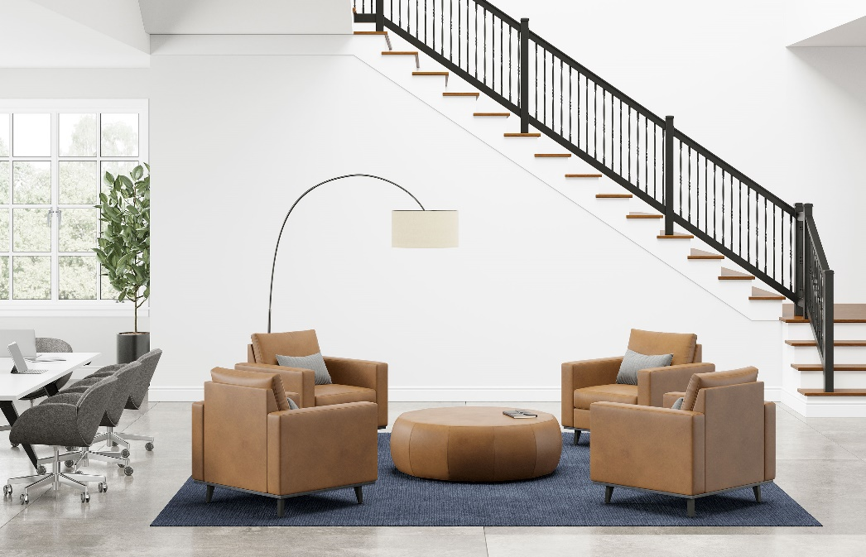

Model # | Qty | Description |  | Base List Price | Base Ext List Price | List Price as Shown | Total as Shown
620 | 4 | Plush Club Chair, (PLINTH) Wood Plinth,(ICON) Four Iconic Legs, Gr L1 |  | $3,118 | $12,472 | $5,725 | $22,900
01-1911TPR | 4 | Cush Rectangle Throw Pillow, Gr 7 |  | $262 | $1,048 | $614 | $2,456
RU-4 | 1 | Runna Large Pouffe, Gr L1 |  | $2,952 | $2,952 | $4,148 | $4,148
ST2C | 8 | Spirit Chair, (SS5SARA) 5-Star Polished Aluminum Swivel Base with (CHRC) Chrome Rimmed Casters with Roll Control, Gr 6 |  | $1,807 | $14,456 | $3,193 | $25,544
88-4896RT | 1 | Strut HPL Rectangular Top, (Y) Square Edge |  | $1,419 | $1,419 | $1,419 | $1,419
01-2228STR4 | 1 | Strut Legs (2 Pair) |  | $2,470 | $2,470 | $2,470 | $2,470
 |  |  | TOTAL LIST |  | $34,817 |  | $58,937

