620-6
Plush
Typical 620-6
Prices based on March 27, 2023 Price List. Fabrics/Finishes Shown: Plush Sectional shown in Mayer Fedora Midnight with Sunglow Walnut Plinth and Legs. Plush Club Chair shown in Sina Pearson Rustic 528-81 with Sunglow Walnut Plinth and Legs. Plush Tables shown in Sunglow Walnut with Designer White Accent. Iconic shown in Sunglow Walnut with Designer White Accent. Runna shown in Architex Steed Mudslide (Gr 6). Floating Shelves shown in Sunglow Walnut. Cush Pillows shown in Archtex Gargrave Heather (Discontinued), Sina Pearson Rustic 528-81 (Gr 9), and Mayer Fedora Charcoal (Gr 2). |  |  | 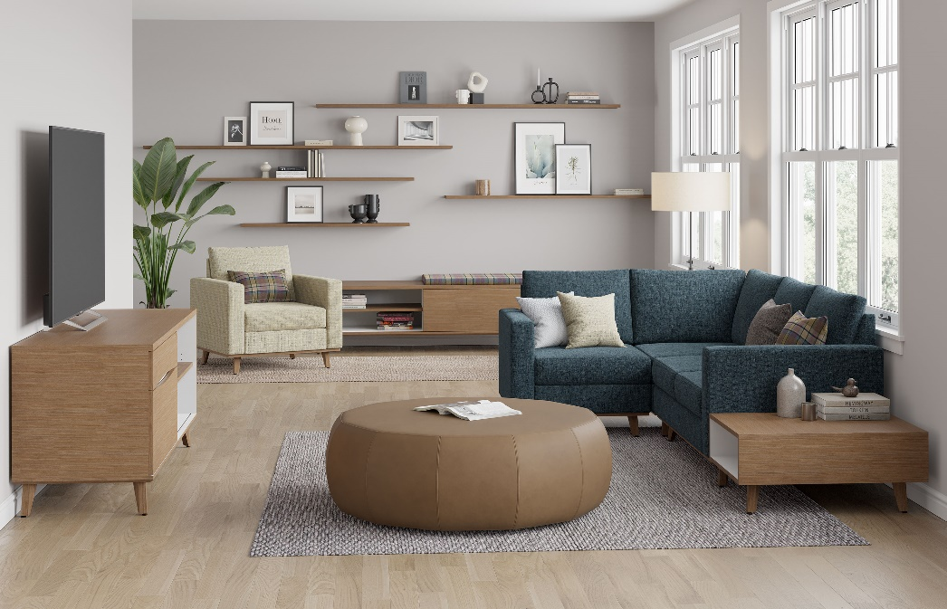

Model # | Qty | Description |  | Base List Price | Base Ext List Price | List Price as Shown | Total as Shown
620L | 1 | Plush Club Chair, 1 Arm, Left, (PLINTH) Wood Plinth, (ICON) Four Iconic Legs, Gr 2 |  | $2,554 | $2,554 | $3,417 | $3,417
620-90C | 1 | Plush Corner Unit, (PLINTH) Wood Plinth, (ICON) Four Iconic Legs, Gr 2 |  | $2,829 | $2,829 | $3,767 | $3,767
6202R | 1 | Plush Settee, 1 Arm, Right, (PLINTH) Wood Plinth, (ICON) Four Iconic Legs, Gr 2 |  | $4,209 | $4,209 | $5,247 | $5,247
620 | 1 | Plush Club Chair, (PLINTH) Wood Plinth, (ICON) Four Iconic Legs, Gr 9 |  | $3,118 | $3,118 | $4,044 | $4,044
50-2472OBFL | 1 | Iconic Veneer Credenza with Open Bookcase & Box/LF, (FPP) HPL Finger Pull Accent, (HPL) Cabinet Accent on Bookcase Interior |  | $5,240 | $5,240 | $5,449 | $5,449
50-2472SDB | 1 | Iconic Low Credenza with Open Bookcase and Sliding Door |  | $4,364 | $4,364 | $4,626 | $4,626
65-2436CUSHION | 1 | Iconic Component Cushion, COM |  | $430 | $430 | $430 | $430
65-09102FS | 2 | Gesso Veneer Floating Shelf |  | $1,403 | $2,806 | $1,403 | $2,806
65-0972FS | 3 | Gesso Veneer Floating Shelf |  | $1,120 | $3,360 | $1,120 | $3,360
RU-4 | 1 | Runna Large Pouffe, Gr 6 |  | $2,952 | $2,952 | $3,931 | $3,931
01-2323TPS | 4 | Cush Square Throw Pillow, COM |  | $253 | $1,012 | $253 | $1,012
01-1911TPR | 1 | Cush Rectangle Pillow, COM |  | $262 | $262 | $262 | $262
620-2433GET | 1 | Plush Veneer Ganging Table with Interior Cabinet Table Accent, (PLINTH ATTACHMENT) Ganging Table to Seat with Plinth |  | $1,805 | $1,805 | $1,990 | $1,990
 |  |  | TOTAL VENEER LIST |  | $34,941 |  | $40,341
Interior Cabinet Table Accent available on Veneer Tables Only

