620-5
Plush
Typical 620-5
Prices based on March 27, 2023 Price List. Finishes Shown: Plush textile has been discontinued; recommend Architex Poplin Cream Soda (Gr 4) with Smoky Brown Pear or Asian Night Plinth and Black Metal Legs. Plush Table shown in Smoky Brown Pear (TFL/HPL)/Asian Night (Veneer). |  |  | 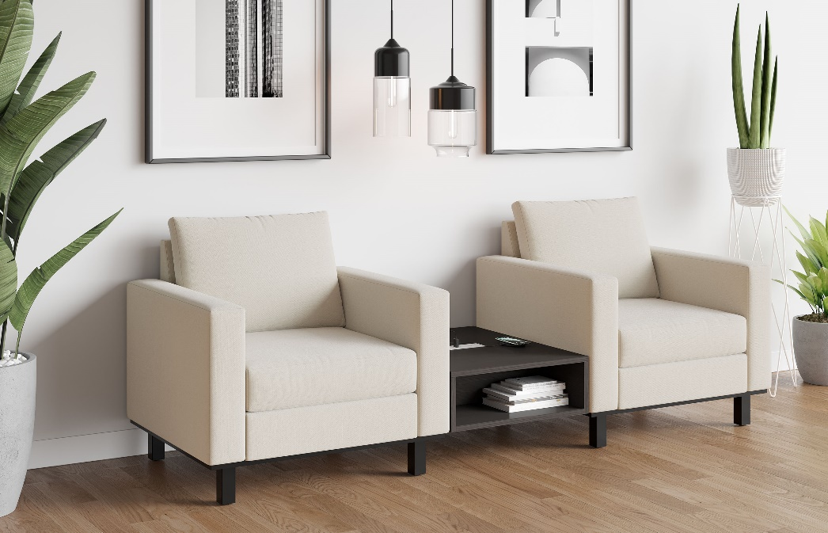

Model # | Qty | Description |  | Base List Price | Base Ext List Price | List Price as Shown | Total as Shown
620 | 2 | Plush Club Chair, (PLBLK) Black Metal Leg, (PLINTH) Wood Plinth, COM |  | $3,118 | $6,236 | $3,415 | $6,830
 |  |  | Subtotal |  | $6,236 |  | $6,830

620-2433GTT | 1 | Plush TFL Ganging Inline Table, (PLINTH ATTACHMENT) Ganging Table to Seat with Plinth |  | $1,163 | $1,163 | $1,163 | $1,163
 |  |  | Subtotal From Above |  | $6,236 |  | $6,830
 |  |  | TOTAL TFL LIST |  | $7,399 |  | $7,993

620-2433GTT | 1 | Plush HPL Ganging Inline Table, (PLINTH ATTACHMENT) Ganging Table to Seat with Plinth |  | $1,270 | $1,270 | $1,270 | $1,270
 |  |  | Subtotal From Above |  | $6,236 |  | $6,830
 |  |  | TOTAL HPL LIST |  | $7,506 |  | $8,100

620-2433GT | 1 | Plush Veneer Ganging Inline Table, (PLINTH ATTACHMENT) Ganging Table to Seat with Plinth |  | $1,818 | $1,818 | $1,818 | $1,818
 |  |  | Subtotal From Above |  | $6,236 |  | $6,830
 |  |  | TOTAL VENEER LIST |  | $8,054 |  | $8,648

