620-4
Plush
Typical 620-4
Prices based on March 27, 2023 Price List. Finishes Shown: Plush shown in Green Hides Vulcano Vapor with Fawn Oak Plinth and Legs. Cush Square Pillow fabrics are discontinued. Alternative options could be Mayer Fabrics Soho Caramel WC705-002 (Gr 5) or Mayer Fabrics Acuco Almond 445-007 (Gr 7). |  |  | 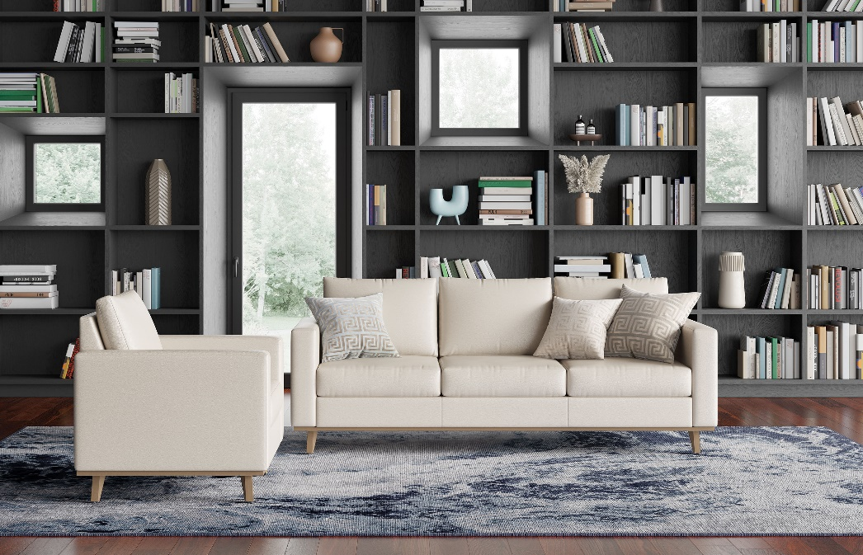

Model # | Qty | Description |  | Base List Price | Base Ext List Price | List Price as Shown | Total as Shown
6203 | 1 | Plush Sofa, (ICON) with Four Iconic Legs, (PLINTH) Wood Plinth, Gr L1 |  | $6,301 | $6,301 | $10,742 | $10,742
620 | 1 | Plush Club Chair, (ICON) with Four Iconic Legs, (PLINTH) Wood Plinth, Gr L1 |  | $3,118 | $3,118 | $5,725 | $5,725
01-2323TPS | 2 | Cush Square Pillow, COM |  | $253 | $506 | $253 | $506
01-1717TPS | 1 | Cush Square Pillow, COM |  | $232 | $232 | $232 | $232
 |  |  | TOTAL LIST |  | $10,157 |  | $17,205

