620-3
Plush
Typical 620-3
Prices based on March 27, 2023 Price List. Finishes Shown: Architex Platform Anthracite (Gr 5). Plush Tables and Iconic Low Credenza shown in Oak Riftwood with Designer White Accents. Cush Square Pillows shown in Sina Pearson Rustic 528-81 Fleece (Gr 9) and Sina Pearson Rustic 528-28 Apple (Gr 9). Cush Rectangular Pillow textile has been discontinued; recommend Maharam Arcade 466447-001 Cub (Gr 9). |  |  | 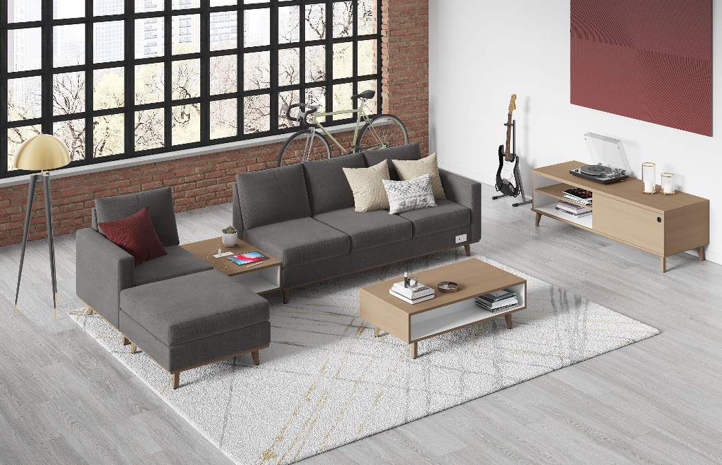

Model # | Qty | Description |  | Base List Price | Base Ext List Price | List Price as Shown | Total as Shown
6203R | 1 | Plush Sofa, 1 Arm, (ICON) with Four Iconic Legs, (PLINTH) Wood Plinth, (ECSR) Right Power Port, Gr 5 |  | $5,835 | $5,835 | $9,557 | $9,557
620-3133OT | 1 | Plush Ottoman, (ICON) Four Iconic Legs, (PLINTH) Wood Plinth, Gr 5 |  | $1,710 | $1,710 | $3,160 | $3,160
620L | 1 | Plush Club Chair, 1 Arm, (ICON) with Four Iconic Legs, (PLINTH) Wood Plinth, Gr 5 |  | $2,554 | $2,554 | $4,152 | $4,152
01-2323TPS | 3 | Cush Square Pillow, Gr 9 |  | $253 | $759 | $810 | $2,430
01-1911TPR | 1 | Cush Rectangle Pillow, COM |  | $262 | $262 | $262 | $262
50-2472SDB | 1 | Iconic Low Credenza with Open Bookcase & Sliding Door, (HPL) Cabinet Accent on Bookcase Interior |  | $4,364 | $4,364 | $4,626 | $4,626
620-2433GT | 1 | Plush Veneer Ganging Inline Table with Interior Cabinet Table Accent, (PLINTH ATTACHMENT) Ganging Table to Seat with Plinth |  | $1,818 | $1,818 | $1,990 | $1,990
620-2445CT | 1 | Plush Veneer Cocktail Table with Interior Cabinet Table Accent and Four Iconic Legs |  | $2,096 | $2,096 | $2,597 | $2,597
 |  |  | TOTAL VENEER LIST |  | $19,398 |  | $28,774
Interior Cabinet Table Accent available on Veneer Tables Only

