620-11
Plush
Typical 620-11
Prices based on March 27, 2023 Price List. Finishes Shown: Plush shown in Green Hides Lena Stucco (Gr L1) with Espresso Plinth and Legs. Britta Chair shown in CF Stinson Olivia Cloud (Gr 3) with Espresso Finish. Britta Table shown in Espresso. Cush Pillow fabric discontinued, alternative recommendations Concertex Crosscut Helium and Knoll Textiles Vatera Sandbar. |  |  | 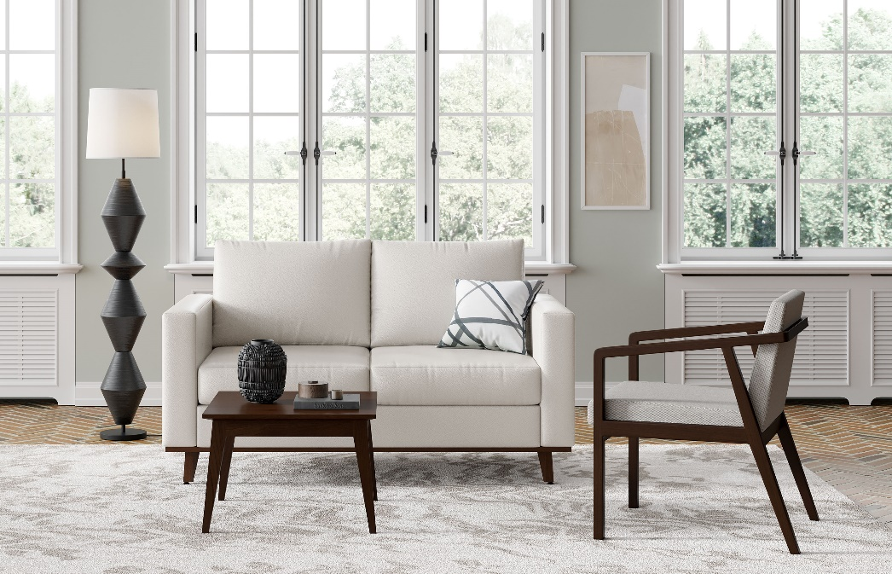

Model # | Qty | Description |  | Base List Price | Base Ext List Price | List Price as Shown | Total as Shown
6202 | 1 | Plush Settee, (PLINTH) Wood Plinth, (ICON) Four Wood Legs, Gr L1 |  | $4,656 | $4,656 | $8,220 | $8,220
236 | 1 | Britta Open Arm Lounge Chair, Gr 3 |  | $1,618 | $1,618 | $1,781 | $1,781
231-2323SCT | 1 | Britta Veneer Small Square Cocktail Table, Square Edge |  | $1,420 | $1,420 | $1,420 | $1,420
01-1717TPS | 1 | Cush Square Pillow, COM |  | $232 | $232 | $232 | $232
 |  |  | TOTAL LIST |  | $7,926 |  | $11,653

