620-10
Plush
Typical 620-10
Prices based on March 27, 2023 Price List. Finishes Shown: Plush shown in Mayer Fedora Dew (Gr 2) with Dark Forest Walnut Plinth and Legs. L-Shelves shown in Dark Forest Walnut. Cush Pillow fabric is discontinued, alternative recommendation Maharam Arcade 466447-001 Cub (Gr 9). |  |  | 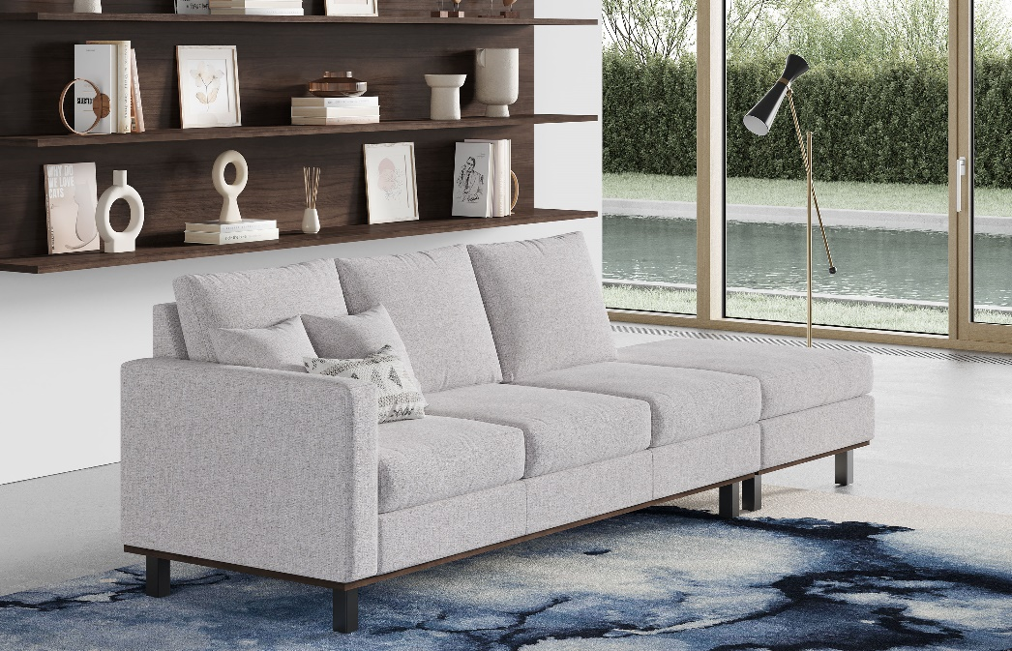

Model # | Qty | Description |  | Base List Price | Base Ext List Price | List Price as Shown | Total as Shown
6203L | 1 | Plush Sofa, 1 Arm, (PLINTH) Wood Plinth, Gr 2 |  | $5,835 | $5,835 | $6,682 | $6,682
620-3133OT | 1 | Plush Ottoman, (PLINTH) Wood Plinth, Gr 2 |  | $1,710 | $1,710 | $2,220 | $2,220
65-1590LS | 3 | Gesso L Shelf |  | $1,872 | $5,616 | $1,872 | $5,616
01-2323TPS | 2 | Cush Square Pillow, COM |  | $253 | $506 | $253 | $506
01-1911TPR | 1 | Cush Rectangle Pillow, COM |  | $262 | $262 | $262 | $262
 |  |  | TOTAL LIST |  | $13,929 |  | $15,286

