620-1
Plush
Typical 620-1
Prices based on March 27, 2023 Price List. Finishes Shown: Plush Sofas shown in Architex Bergerac Stella (Gr 7) with Aluminum Metal Legs. Plush Tables shown in Designer White with Aluminum Metal Legs. Spirit Lite Seating textile has been discontinued; recommend Architex Poplin Tropical Punch (Gr 4). |  |  | 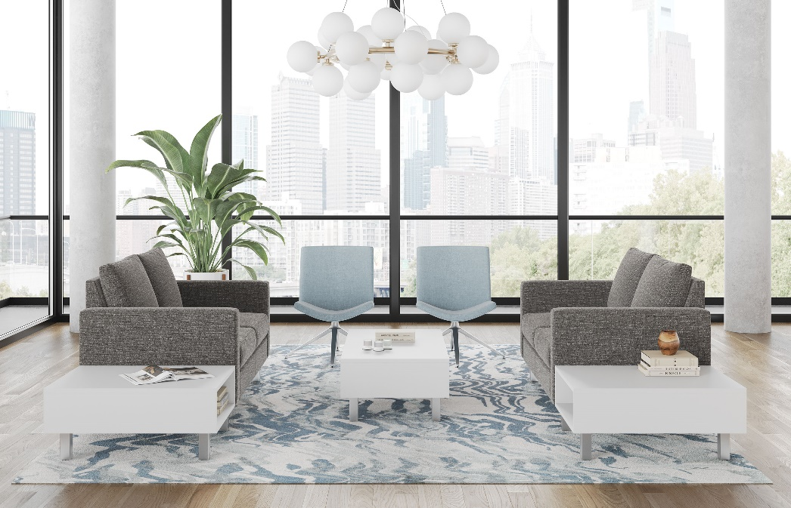

Model # | Qty | Description |  | Base List Price | Base Ext List Price | List Price as Shown | Total as Shown
6202 | 2 | Plush Settee, Gr 7 |  | $4,645 | $9,290 | $7,912 | $15,824
SL23P | 2 | Spirit Lounge Chair, 4-Star Polished Alum. Swivel Base with Glides, Gr 4 |  | $1,414 | $2,828 | $1,816 | $3,632
 |  |  | Subtotal |  | $12,118 |  | $19,456

620-2445CTT | 1 | Plush TFL Cocktail Table |  | $1,280 | $1,280 | $1,280 | $1,280
620-2433GETT | 2 | Plush Ganging TFL End Table |  | $1,156 | $2,312 | $1,156 | $2,312
 |  |  | Subtotal From Above |  | $12,118 |  | $19,456
 |  |  | TOTAL TFL LIST |  | $15,710 |  | $23,048

620-2445CTT | 1 | Plush HPL Cocktail Table |  | $1,398 | $1,398 | $1,398 | $1,398
620-2433GETT | 2 | Plush Ganging HPL End Table |  | $1,262 | $2,524 | $1,262 | $2,524
 |  |  | Subtotal From Above |  | $12,118 |  | $19,456
 |  |  | TOTAL HPL LIST |  | $16,040 |  | $23,378

620-2445CT | 1 | Plush Veneer/HPL Cocktail Table* |  | $2,096 | $2,096 | $2,096 | $2,096
620-2433GET | 2 | Plush Ganging Veneer/HPL End Table* |  | $1,805 | $3,610 | $1,805 | $3,610
 |  |  | Subtotal From Above |  | $12,118 |  | $19,456
 |  |  | TOTAL VENEER LIST |  | $17,824 |  | $25,162
* Plush Veneer/HPL Cocktail Table not available in Designer White

