21-12
Phoenix
Typical 21-12
Prices based on March 27, 2023 Price List. Finishes Shown: Harvest Walnut finish. Clutch Task Seating shown in Green Hides Vulcano Vapor. |  |  | 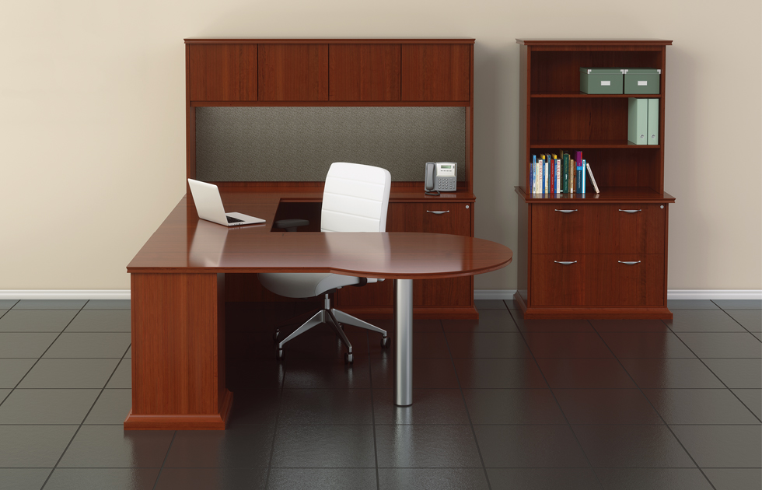

Model # | Qty | Description |  | Base List Price | Base Ext List Price | List Price as Shown | Total as Shown
21-4272PL | 1 | P-Top Desk, Left |  | $3,122 | $3,122 | $3,122 | $3,122
21-2448UF | 1 | Bridge with Full Modesty |  | $1,486 | $1,486 | $1,486 | $1,486
21-2072RC2 | 1 | Credenza with Lateral File, Right |  | $2,892 | $2,892 | $2,892 | $2,892
21-1672HU | 1 | Surface Mount Hutch, Flush Left & Right |  | $2,918 | $2,918 | $2,918 | $2,918
TB-2172H | 1 | Tackboard, Gr 3 |  | $547 | $547 | $547 | $547
21-2036L2 | 1 | Two Drawer Lateral File |  | $2,707 | $2,707 | $2,707 | $2,707
21-1636TU | 1 | Surface Mount Bookcase |  | $1,737 | $1,737 | $1,737 | $1,737
TL-0848 | 1 | Task Light |  | $430 | $430 | $430 | $430
582 | 1 | Clutch Mid Back Swivel, (ALM BASE) Polished Aluminum Base, Gr L1 |  | $1,653 | $1,653 | $2,243 | $2,243
 |  |  | TOTAL HPL LIST |  | $17,492 |  | $18,082

21-4272PL | 1 | P-Top Desk, Left |  | $3,188 | $3,188 | $3,188 | $3,188
21-2448UF | 1 | Bridge with Full Modesty |  | $1,573 | $1,573 | $1,573 | $1,573
21-2072RC2 | 1 | Credenza with Lateral File, Right |  | $3,264 | $3,264 | $3,264 | $3,264
21-1672HU | 1 | Surface Mount Hutch, Flush Left & Right |  | $2,918 | $2,918 | $2,918 | $2,918
TB-2172H | 1 | Tackboard, Gr 3 |  | $547 | $547 | $547 | $547
21-2036L2 | 1 | Two Drawer Lateral File |  | $2,913 | $2,913 | $2,913 | $2,913
21-1636TU | 1 | Surface Mount Bookcase |  | $1,737 | $1,737 | $1,737 | $1,737
TL-0848 | 1 | Task Light |  | $430 | $430 | $430 | $430
582 | 1 | Clutch Mid Back Swivel, (ALM BASE) Polished Aluminum Base, Gr L1 |  | $1,653 | $1,653 | $2,243 | $2,243
 |  |  | TOTAL VENEER LIST |  | $18,223 |  | $18,813

