46-28
Jefferson
Typical 46-28
Prices based on March 27, 2023 Price List. Finishes Shown: Columbian Walnut. Breman Swivel and Guest Seating shown in Cortina Leathers Davenport Porcellana. |  |  | 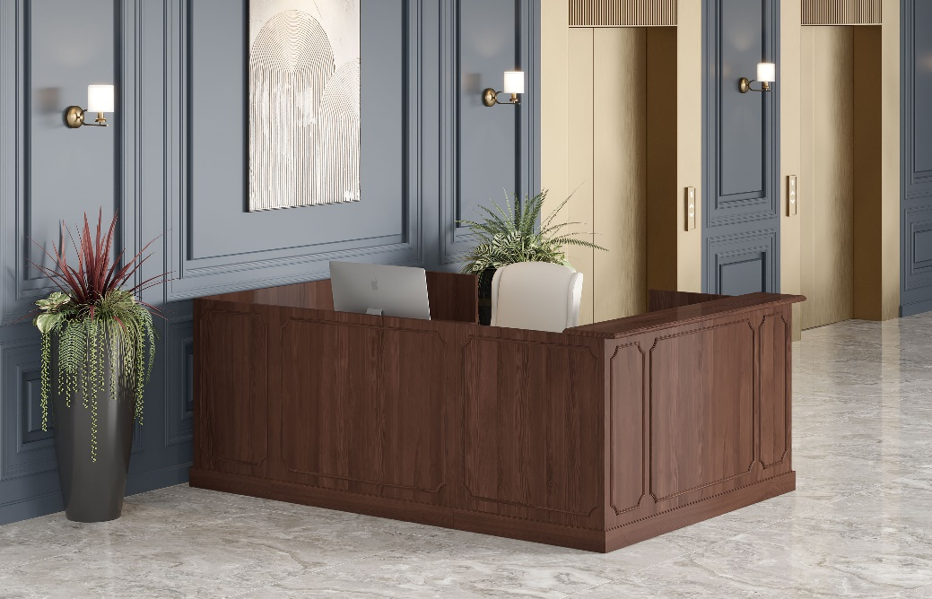

Model # | Qty | Description |  | Base List Price | Base Ext List Price | List Price as Shown | Total as Shown
46-3672RPD1L | 1 | Single Ped Reception Desk, Box/Box/File, Left |  | $7,975 | $7,975 | $7,975 | $7,975
46-2448RUF | 1 | Reception Bridge |  | $2,435 | $2,435 | $2,435 | $2,435
46-2472RCR | 1 | Single Ped Reception Credenza, File/File, Right |  | $6,388 | $6,388 | $6,388 | $6,388
184 | 1 | Breman High Back Swivel Chair, Gr L1 |  | $2,806 | $2,806 | $4,002 | $4,002
 |  |  | TOTAL HPL/VENEER LIST |  | $19,604 |  | $20,800

46-3672RPD1L | 1 | Single Ped Reception Desk, Box/Box/File, Left |  | $8,932 | $8,932 | $8,932 | $8,932
46-2448RUF | 1 | Reception Bridge |  | $2,726 | $2,726 | $2,726 | $2,726
46-2472RCR | 1 | Single Ped Reception Credenza, File/File, Right |  | $7,155 | $7,155 | $7,155 | $7,155
184 | 1 | Breman High Back Swivel Chair, Gr L1 |  | $2,806 | $2,806 | $4,002 | $4,002
 |  |  | TOTAL PREMIUM VENEER LIST |  | $21,619 |  | $22,815

