50-13
Iconic
Typical 50-13
Prices based on March 27, 2023 Price List. Finishes Shown: Artisan Walnut with Black Metal Finish. Bailey Chair and Ottoman shown in Architex Fine Point Velvet Natural. Cush Pillow shown in Momentum Interlok Flamingo. |  |  | 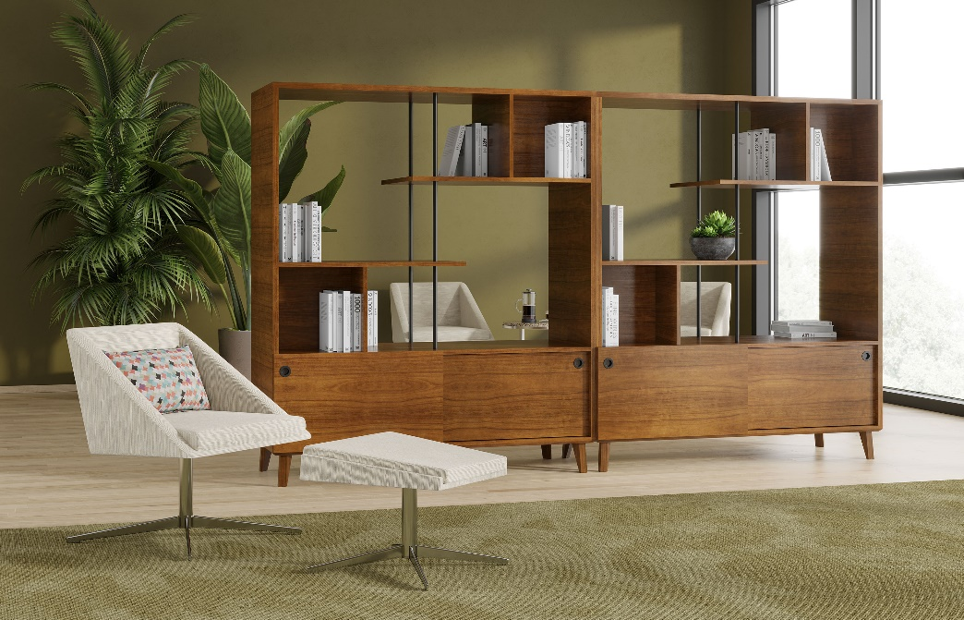

Model # | Qty | Description |  | Base List Price | Base Ext List Price | List Price as Shown | Total as Shown
50-2460OSD72 | 2 | Open Storage/Divider w/Sliding Doors |  | $6,979 | $13,958 | $6,979 | $13,958
721 | 3 | Bailey Lounge with 4 Star Base, Gr 8 |  | $2,294 | $6,882 | $3,966 | $11,898
721-2120OT | 1 | Bailey Ottoman, Gr 8 |  | $1,178 | $1,178 | $1,959 | $1,959
410-1412AT | 1 | Jot Auxiliary Table, TFL |  | $1,255 | $1,255 | $1,255 | $1,255
01-1407TPR | 1 | Cush Rectangle Throw Pillow, Gr 9 |  | $228 | $228 | $785 | $785
 |  |  | TOTAL |  | $23,501 |  | $29,855

