50-10
Iconic
Typical 50-10
Prices based on March 27, 2023 Price List. Finishes Shown: Shaker Cherry with Aluminum Accent. Plush shown in Momentum Imperial Mohair Thunderclound with Shaker Cherry Plinth and Legs. Bailey Cocktail Table shown in Shaker Cherry and End Table shown in Oak Riftwood. |  |  | 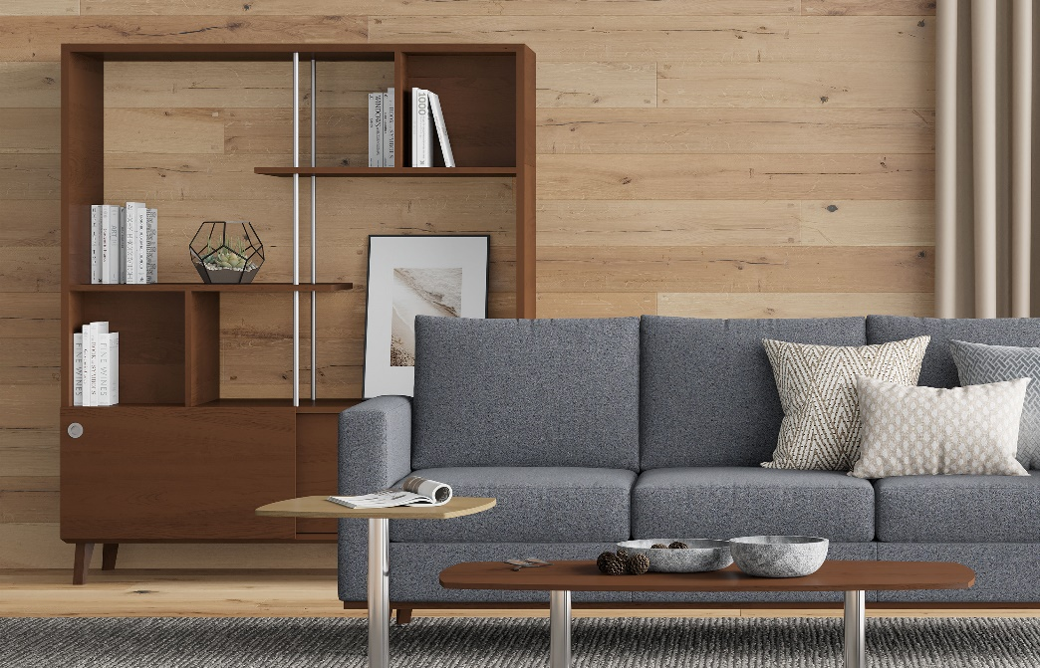

Model # | Qty | Description |  | Base List Price | Base Ext List Price | List Price as Shown | Total as Shown
50-2460OSD72 | 1 | Open Storage/Divider w/Sliding Doors |  | $6,979 | $6,979 | $6,979 | $6,979
720-2550SRT | 1 | Bailey Soft Rectangular Cocktail Table, TFL |  | $1,391 | $1,391 | $1,391 | $1,391
720-2020SET | 1 | Bailey Soft Square End Table, TFL |  | $943 | $943 | $943 | $943
6203 | 1 | Plush Sofa, Gr 10 |  | $6,301 | $6,301 | $14,509 | $14,509
 |  |  | TOTAL |  | $15,614 |  | $23,822

