400-30
Bakerstreet
Typical 400-30
Prices based on March 27, 2023 Price List. Finishes/Fabrics Shown: Bakerstreet Club Chairs shown in Architex Aldgate Taupe (Discontinued) with Dark Forest Walnut Finish. Bakerstreet Sofa shown in Architex Glamis Glacier (Discontinued) with Dark Forest Walnut Finish. Jefferson Casegoods and Cicero Occasional Table shown in Dark Forest Walnut Finish. |  |  | 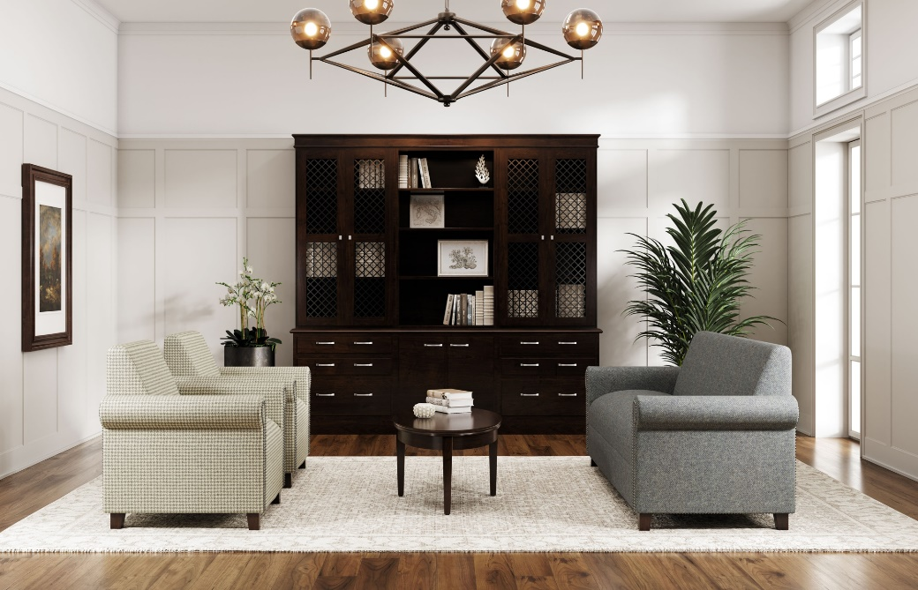

Model # | Qty | Description |  | Base List Price | Base Ext List Price | List Price as Shown | Total as Shown
46-2089BS | 1 | Modular Cabinet/Credenza Base |  | $1,132 | $1,132 | $1,132 | $1,132
46-1829MU | 2 | Modular Storage, Box/Box/File |  | $2,825 | $5,650 | $2,825 | $5,650
46-1829MS | 1 | Modular Storage, Two Door |  | $2,075 | $2,075 | $2,075 | $2,075
46-2089TP | 1 | Modular Cabinet/Credenza Top |  | $1,681 | $1,681 | $1,681 | $1,681
46-2952MB | 2 | Modular Bookcase with Doors, Brass Mesh Inserts |  | $3,035 | $6,070 | $3,035 | $6,070
46-2952BC | 1 | Modular Bookcase |  | $1,739 | $1,739 | $1,739 | $1,739
46-1589FC | 1 | Modular Overhead Cornice Bookcase Top |  | $1,073 | $1,073 | $1,073 | $1,073
400 | 2 | Bakerstreet Club Chair, Gr COM |  | $2,720 | $5,440 | $2,720 | $5,440
4003 | 1 | Bakerstreet Sofa, Gr COM |  | $4,360 | $4,360 | $4,360 | $4,360
294-4222EMT | 1 | Cicero Elliptical Magazine Table |  | $2,892 | $2,892 | $2,892 | $2,892
 |  |  | TOTAL HPL/VENEER LIST |  | $32,112 |  | $32,112

46-2089BS | 1 | Modular Cabinet/Credenza Base |  | $1,132 | $1,132 | $1,132 | $1,132
46-1829MU | 2 | Modular Storage, Box/Box/File |  | $3,164 | $6,328 | $3,164 | $6,328
46-1829MS | 1 | Modular Storage, Two Door |  | $2,075 | $2,075 | $2,075 | $2,075
46-2089TP | 1 | Modular Cabinet/Credenza Top |  | $1,882 | $1,882 | $1,882 | $1,882
46-2952MB | 2 | Modular Bookcase with Doors, Brass Mesh Inserts |  | $3,400 | $6,800 | $3,400 | $6,800
46-2952BC | 1 | Modular Bookcase |  | $1,949 | $1,949 | $1,949 | $1,949
46-1589FC | 1 | Modular Overhead Cornice Bookcase Top |  | $1,073 | $1,073 | $1,073 | $1,073
400 | 2 | Bakerstreet Club Chair, Gr COM |  | $2,720 | $5,440 | $2,720 | $5,440
4003 | 1 | Bakerstreet Sofa, Gr COM |  | $4,360 | $4,360 | $4,360 | $4,360
294-4222EMT | 1 | Cicero Elliptical Magazine Table |  | $2,892 | $2,892 | $2,892 | $2,892
 |  |  | TOTAL PREMIUM VENEER LIST |  | $33,931 |  | $33,931
Modular Cabinet/Credenza Base and Modular Overhead Cornice Bookcase Top not available in Premium Veneer

