400-3
Bakerstreet
Typical 400-3
Prices based on March 27, 2023 Price List. Finishes/Fabrics Shown: Bakerstreet shown in Cortina Davenport Nutmeg with Legacy Walnut Finish. Arlington Occasional Tables shown in Legacy Walnut. |  |  | 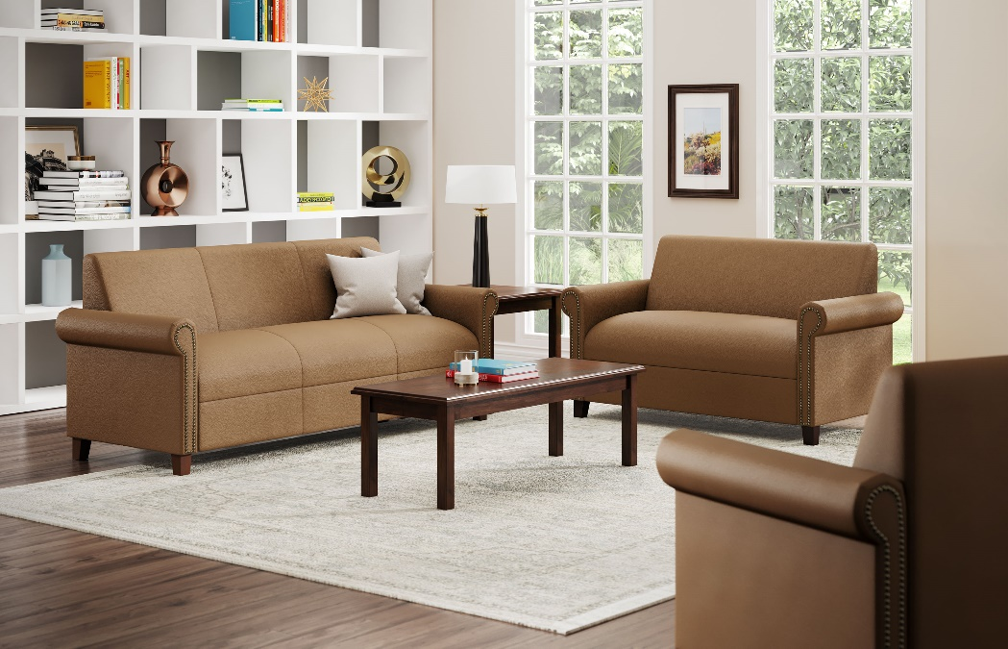

Model # | Qty | Description |  | Base List Price | Base Ext List Price | List Price as Shown | Total as Shown
400 | 1 | Bakerstreet Club Chair, (NABRS) Brass Nail Trim, Gr L1 |  | $2,720 | $2,720 | $4,554 | $4,554
4002 | 1 | Bakerstreet Settee, (NABRS) Brass Nail Trim, Gr L1 |  | $3,610 | $3,610 | $5,923 | $5,923
4003 | 1 | Bakerstreet Sofa, (NABRS) Brass Nail Trim, Gr L1 |  | $4,360 | $4,360 | $6,992 | $6,992
29-2424LT | 1 | Arlington Lamp Table, HPL |  | $1,110 | $1,110 | $1,110 | $1,110
29-1847MT | 1 | Arlington Magazine Table, HPL |  | $1,191 | $1,191 | $1,191 | $1,191
 |  |  | TOTAL HPL LIST |  | $12,991 |  | $19,770

400 | 1 | Bakerstreet Club Chair, (NABRS) Brass Nail Trim, Gr L1 |  | $2,720 | $2,720 | $4,554 | $4,554
4002 | 1 | Bakerstreet Settee, (NABRS) Brass Nail Trim, Gr L1 |  | $3,610 | $3,610 | $5,923 | $5,923
4003 | 1 | Bakerstreet Sofa, (NABRS) Brass Nail Trim, Gr L1 |  | $4,360 | $4,360 | $6,992 | $6,992
29-2424LT | 1 | Arlington Lamp Table, Veneer |  | $1,191 | $1,191 | $1,191 | $1,191
29-1847MT | 1 | Arlington Magazine Table, Veneer |  | $1,389 | $1,389 | $1,389 | $1,389
 |  |  | TOTAL VENEER LIST |  | $13,270 |  | $20,049

