400-2
Bakerstreet
Typical 400-2
Prices based on March 27, 2023 Price List. Finishes/Fabrics Shown: Bakerstreet shown in Architex Belsize Denim (Discontinued) with Columbian Walnut Finish. Topsy Turvy Occasional Tables have been discontinued. |  |  | 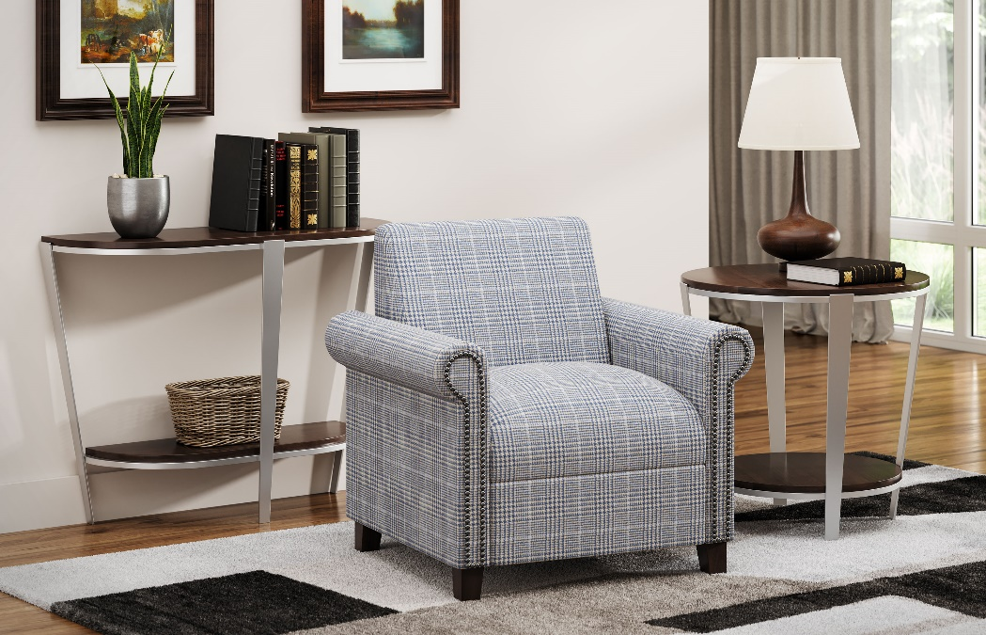

Model # | Qty | Description |  | Base List Price | Base Ext List Price | List Price as Shown | Total as Shown
400 | 1 | Bakerstreet Club Chair, Gr COM |  | $2,720 | $2,720 | $2,720 | $2,720
 |  |  | TOTAL HPL LIST |  | $2,720 |  | $2,720

