400-1
Bakerstreet
Typical 400-1
Prices based on March 27, 2023 Price List. Finishes/Fabrics Shown: Bakerstreet shown in CF Stinson Radiance Tourmaline (Discontinued) with Williamsburg Cherry Finish. Jefferson Reception shown in Williamsburg Cherry Finish. |  |  | 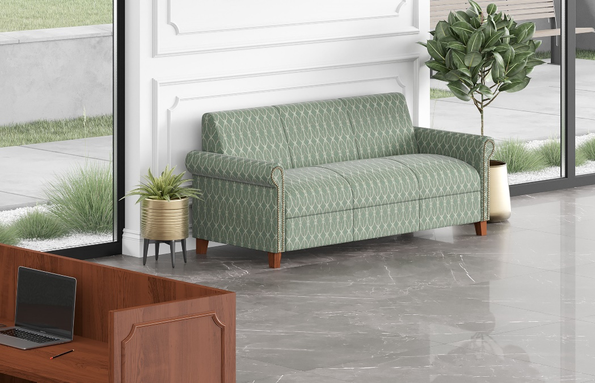

Model # | Qty | Description |  | Base List Price | Base Ext List Price | List Price as Shown | Total as Shown
46-3672RPD1L | 1 | Jefferson Reception Single Ped Reception Desk, Box/Box/File, Left |  | $7,975 | $7,975 | $7,975 | $7,975
46-2448RUF | 1 | Jefferson Reception Bridge |  | $2,435 | $2,435 | $2,435 | $2,435
4003 | 1 | Bakerstreet Sofa, COM |  | $4,360 | $4,360 | $4,360 | $4,360
 |  |  | TOTAL HPL LIST |  | $14,770 |  | $14,770

