720-4
Bailey
Typical 720-4
Prices based on March 27, 2023 Price List. Finishes Shown: Bailey Chairs shown in Momentum Faux Mo Sky (Gr 6) and Bailey Table shown in Asian Night. Square One shown in Natural Beach. Canvas Work Table shown in White Zebrine (discontinued). Bow Tie Stools shown in Momentum Rivet Slice (Gr 5) with Asian Night. |  |  | 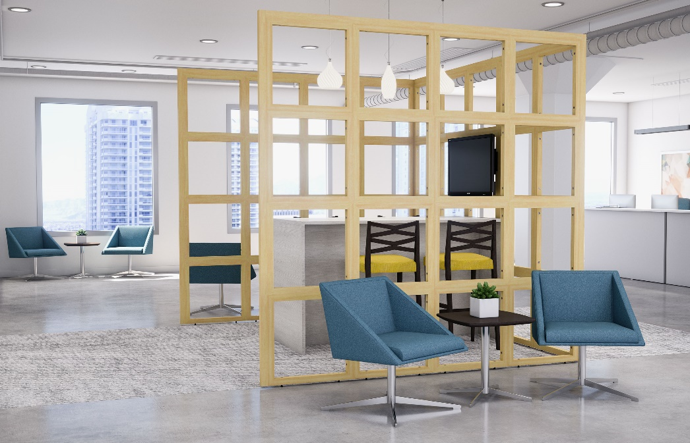

Model # | Qty | Description |  | Base List Price | Base Ext List Price | List Price as Shown | Total as Shown
17-2424BL | 52 | Square One Single Block, 24”x24” |  | $284 | $14,768 | $284 | $14,768
17-17596EC | 2 | Square One End Cap, 96” (used horizontally) |  | $381 | $762 | $381 | $762
17-175120EC | 1 | Square One End Cap, 120” (used horizontally) |  | $415 | $415 | $415 | $415
17-17597EC | 2 | Square One End Cap, 97 3/4” (used vertically) |  | $381 | $762 | $381 | $762
17-17597CP | 2 | Square One Corner Post, 97 3/4” |  | $384 | $768 | $384 | $768
17-LEVKIT | 13 | Square One Leveler Kit, 2 Levelers |  | $50 | $650 | $50 | $650
01-TVMT | 1 | Square One TV Mount |  | $1,057 | $1,057 | $1,057 | $1,057
179 | 4 | Bow Tie Bar Stool, Gr 5 |  | $1,342 | $5,368 | $1,539 | $6,156
721 | 6 | Bailey Single Seat w/4-Star Pedestal Base, Gr 6 |  | $2,294 | $13,764 | $3,273 | $19,638
 |  |  | SUBTOTAL |  | $38,314 |  | $44,976

66-3672TWT | 1 | Canvas Standing Height Work Table, HPL |  | $1,849 | $1,849 | $1,849 | $1,849
720-2020SETK | 1 | Bailey Soft Square End Table, HPL, Knife Edge |  | $1,303 | $1,303 | $1,303 | $1,303
 |  |  | Subtotal From Above |  | $38,314 |  | $44,976
 |  |  | TOTAL LIST |  | $41,466 |  | $48,128

66-3672TWT | 1 | Canvas Standing Height Work Table, TFL |  | $1,849 | $1,849 | $1,235 | $1,235
719-2020SETKH | 1 | Bailey Soft Square End Table, Veneer, Knife Edge |  | $1,363 | $1,363 | $1,363 | $1,363
 |  |  | Subtotal From Above |  | $38,314 |  | $44,976
 |  |  | TOTAL LIST |  | $41,526 |  | $47,574

