720-35
Bailey
Typical 720-35
Prices based on March 27, 2023 Price List. Finishes Shown: Bailey shown in Cortina Leathers Caprone Bright White (Gr L1). Bailey Table shown in Studio Teak (TFL/HPL)/Pinnacle Walnut (Veneer). Canvas/Gesso Studio shown in Weathered Ash. |  |  | 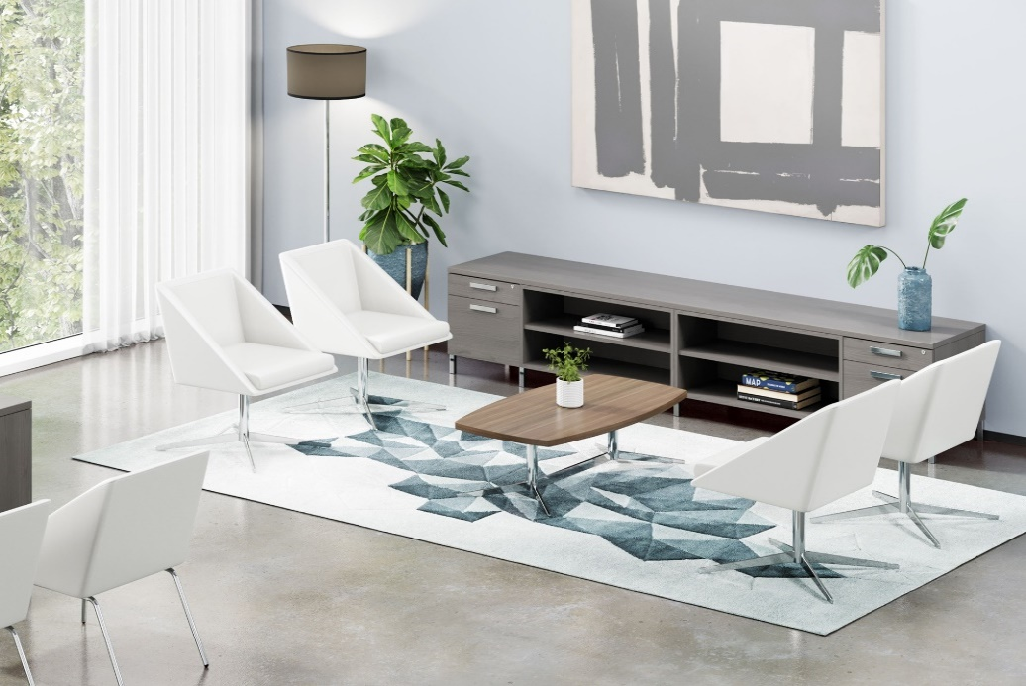

Model # | Qty | Description |  | Base List Price | Base Ext List Price | List Price as Shown | Total as Shown
720 | 2 | Bailey Single Seat with 4-Leg Base, Gr L1 |  | $2,078 | $4,156 | $3,274 | $6,548
721 | 4 | Bailey Single Seat with 4-Star Pedestal Base, Gr L1 |  | $2,294 | $9,176 | $3,490 | $13,960
720-2550SRT | 1 | Bailey Soft Rectangular Cocktail Table, TFL |  | $1,391 | $1,391 | $1,391 | $1,391
66-2418STF | 2 | Canvas/Studio Modular Low Storage, Tray/File |  | $1,046 | $2,092 | $1,046 | $2,092
66-2436SBC | 2 | Canvas/Studio Modular Low Storage, Open Bookcase |  | $1,129 | $2,258 | $1,129 | $2,258
66-2454TP | 2 | 24"D Modular Bridge, Return, and Credenza Top |  | $512 | $1,024 | $512 | $1,024
 |  |  | TOTAL TFL LIST |  | $20,097 |  | $27,273

720 | 2 | Bailey Single Seat with 4-Leg Base, Gr L1 |  | $2,078 | $4,156 | $3,274 | $6,548
721 | 4 | Bailey Single Seat with 4-Star Pedestal Base, Gr L1 |  | $2,294 | $9,176 | $3,490 | $13,960
720-2550SRTH | 1 | Bailey Soft Rectangular Cocktail Table, HPL |  | $1,634 | $1,634 | $1,634 | $1,634
66-2418STF | 2 | Canvas/Studio Modular Low Storage, Tray/File |  | $1,046 | $2,092 | $1,046 | $2,092
66-2436SBC | 2 | Canvas/Studio Modular Low Storage, Open Bookcase |  | $1,129 | $2,258 | $1,129 | $2,258
66-2454TP | 2 | 24"D Modular Bridge, Return, and Credenza Top |  | $716 | $1,432 | $716 | $1,432
 |  |  | TOTAL HPL LIST |  | $20,748 |  | $27,924

720 | 2 | Bailey Single Seat with 4-Leg Base, Gr L1 |  | $2,078 | $4,156 | $3,274 | $6,548
721 | 4 | Bailey Single Seat with 4-Star Pedestal Base, Gr L1 |  | $2,294 | $9,176 | $3,490 | $13,960
719-2550SRT | 1 | Bailey Soft Rectangular Cocktail Table, Veneer |  | $1,976 | $1,976 | $1,976 | $1,976
65-2418STF | 2 | Gesso/Studio Modular Low Storage, Tray/File |  | $1,737 | $3,474 | $1,737 | $3,474
65-2436SBC | 2 | Gesso/Studio Modular Low Storage, Open Bookcase |  | $1,875 | $3,750 | $1,875 | $3,750
65-24108TP | 1 | Gesso Modular Desk Top |  | $1,251 | $1,251 | $1,251 | $1,251
 |  |  | TOTAL VENEER LIST |  | $23,783 |  | $30,959

