720-11
Bailey
Typical 720-11
Prices based on March 27, 2023 Price List. Finishes Shown: Bailey Chairs shown in Momentum Faux Felt Charcoal (Gr 4). Bailey Tables Shown in Smoky Brown Pear. Canvas Reception shown in Designer White with Smoky Brown Pear Overlay. Canvas Work Table shown in Designer White with Smoky Brown Pear modesty. |  |  | 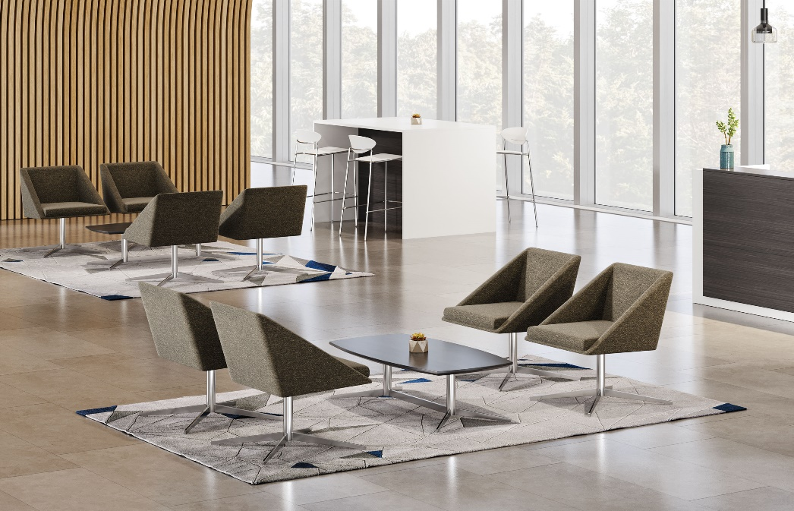

Model # | Qty | Description |  | Base List Price | Base Ext List Price | List Price as Shown | Total as Shown
721 | 8 | Bailey Single Seat Chair with 4 Star Base, Gr 4 |  | $2,294 | $18,352 | $2,797 | $22,376
720-2550SRTKH | 2 | Bailey Soft Rectangle Cocktail Table, HPL, Knife Edge |  | $2,025 | $4,050 | $2,025 | $4,050
64-3096RS | 1 | Canvas Reception Desk Shell, 30”x96”, TFL |  | $2,332 | $2,332 | $2,332 | $2,332
64-1284TKS | 1 | Canvas Waterfall Transaction Kit w/Paper Slots, 84”, TFL |  | $2,012 | $2,012 | $2,012 | $2,012
66-3672TWT | 1 | Canvas Standing Height Work Table, TFL |  | $1,849 | $1,849 | $1,849 | $1,849
 |  |  | TOTAL LIST |  | $28,595 |  | $32,619

721 | 8 | Bailey Single Seat Chair with 4 Star Base, Gr 4 |  | $2,294 | $18,352 | $2,797 | $22,376
719-2550SRTKH | 2 | Bailey Soft Rectangle Cocktail Table, Veneer, Knife Edge |  | $2,121 | $4,242 | $2,121 | $4,242
64-3096RS | 1 | Canvas Reception Desk Shell, 30”x96”, TFL |  | $2,332 | $2,332 | $2,332 | $2,332
64-1284TKS | 1 | Canvas Waterfall Transaction Kit w/Paper Slots, 84”, TFL |  | $2,012 | $2,012 | $2,012 | $2,012
66-3672TWT | 1 | Canvas Standing Height Work Table, TFL |  | $1,849 | $1,849 | $1,849 | $1,849
 |  |  | TOTAL LIST |  | $28,787 |  | $32,811

