29-18
Arlington
Typical 29-18
Prices based on March 27, 2023 Price List. Finishes Shown: Artisan Walnut with Architex Toronto Silver Tackboard. Reminisce Swivel shown in Architex Happy Cloud Nine and Reminisce Guest Seating shown in Architex Ultracrush Melton. |  |  | 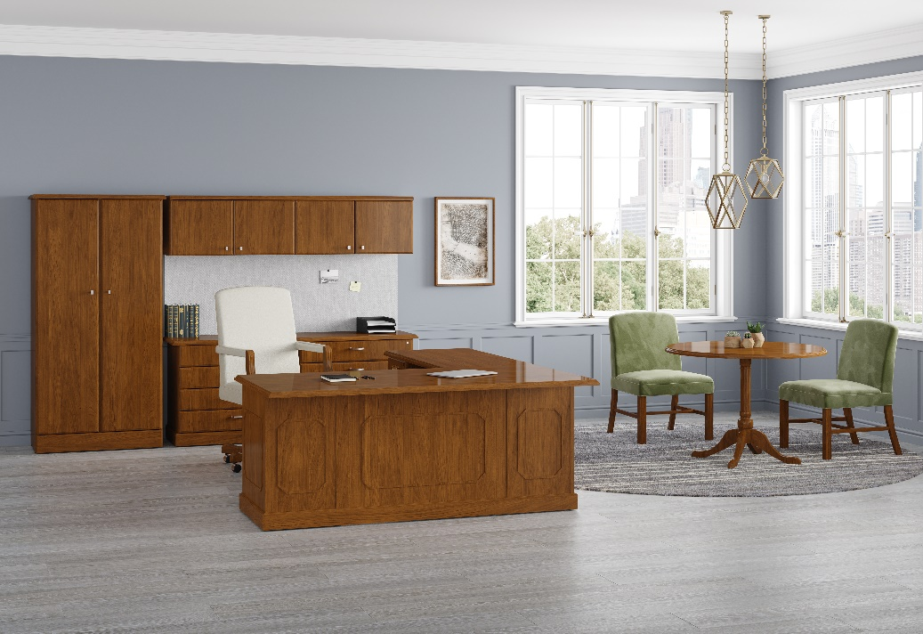

Model # | Qty | Description |  | Base List Price | Base Ext List Price | List Price as Shown | Total as Shown
29-3672RP | 1 | Single Ped Desk, Right, Wilmington Decorative & Base Molding |  | $3,812 | $3,812 | $3,812 | $3,812
29-2448LF | 1 | Return with BBF, Left, Wilmington Decorative & Base Molding |  | $2,760 | $2,760 | $2,760 | $2,760
29-2072DL | 1 | Credenza with Double LF, Wilmington Base Molding |  | $4,715 | $4,715 | $4,715 | $4,715
29-1572WD | 1 | Wall Mount Hutch |  | $3,440 | $3,440 | $3,440 | $3,440
TB-6572W | 1 | Tackboard, Gr 6 |  | $620 | $620 | $1,207 | $1,207
29-3670WD | 1 | Double/Wardrobe Storage |  | $5,209 | $5,209 | $5,209 | $5,209
29-4242CT | 1 | Circular Table Top |  | $1,767 | $1,767 | $1,767 | $1,767
01-0606QB | 1 | Queen Anne Base Option |  | $1,358 | $1,358 | $1,358 | $1,358
112 | 1 | Reminisce High Back Swivel, Gr 8 |  | $2,377 | $2,377 | $3,604 | $3,604
118N | 2 | Reminisce Mid Back Guest, Armless, Gr 7 |  | $1,663 | $3,326 | $2,543 | $5,086
 |  |  | TOTAL HPL LIST |  | $29,384 |  | $32,958

29-3672RP | 1 | Single Ped Desk, Right, Wilmington Decorative & Base Molding |  | $4,202 | $4,202 | $4,202 | $4,202
29-2448LF | 1 | Return with BBF, Left, Wilmington Decorative & Base Molding |  | $3,019 | $3,019 | $3,019 | $3,019
29-2072DL | 1 | Credenza with Double LF, Wilmington Base Molding |  | $5,065 | $5,065 | $5,065 | $5,065
29-1572WD | 1 | Wall Mount Hutch |  | $3,440 | $3,440 | $3,440 | $3,440
TB-6572W | 1 | Tackboard, Gr 6 |  | $620 | $620 | $1,207 | $1,207
29-3670WD | 1 | Double/Wardrobe Storage |  | $5,209 | $5,209 | $5,209 | $5,209
29-4242CT | 1 | Circular Table Top |  | $2,171 | $2,171 | $2,171 | $2,171
01-0606QB | 1 | Queen Anne Base Option |  | $1,358 | $1,358 | $1,358 | $1,358
112 | 1 | Reminisce High Back Swivel, Gr 8 |  | $2,377 | $2,377 | $3,604 | $3,604
118N | 2 | Reminisce Mid Back Guest, Armless, Gr 7 |  | $1,663 | $3,326 | $2,543 | $5,086
 |  |  | TOTAL VENEER LIST |  | $30,787 |  | $34,361

