29-17
Arlington
Typical 29-17
Prices based on March 27, 2023 Price List. Finishes Shown: Columbian Walnut finish with White Glass Marker Board. Maharam Brim 466350-004 Candy shown on Natta Bench. |  |  | 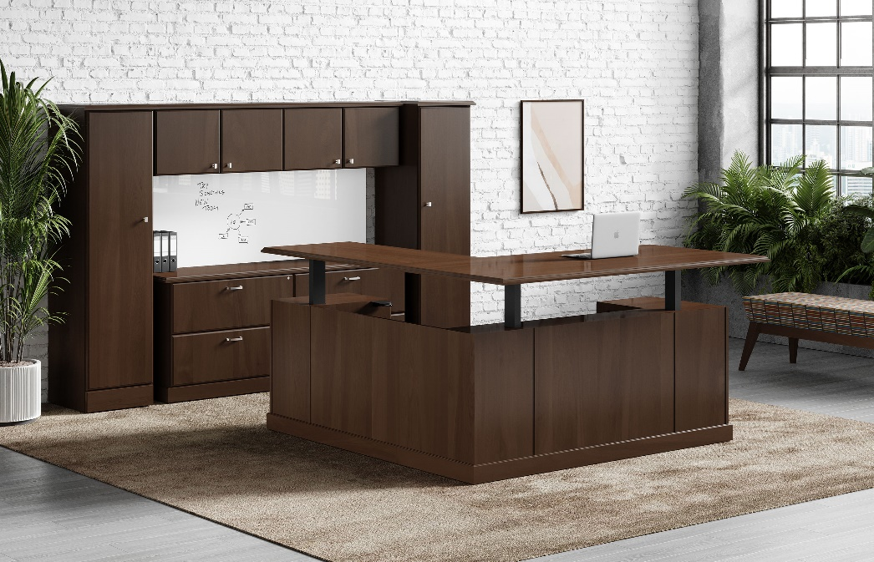

Model # | Qty | Description |  | Base List Price | Base Ext List Price | List Price as Shown | Total as Shown
29-3672LPSTS | 1 | Height Adjustable Single Ped Desk, Left, Wlmington Base |  | $3,812 | $3,812 | $3,812 | $3,812
29-2448RF2STS3 | 1 | Height Adjustable Return with FF, Wilmington Base |  | $1,478 | $1,478 | $1,478 | $1,478
29-2072DL | 1 | Credenza with Double LF, Wilmington Base Option |  | $3,296 | $3,296 | $3,296 | $3,296
29-1572WD | 1 | Wall Mount Hutch |  | $3,562 | $3,562 | $3,562 | $3,562
29-1870WL | 1 | Wardrobe/Storage Cabinet, Left |  | $2,505 | $2,505 | $2,505 | $2,505
29-1870WR | 1 | Wardrobe/Storage Cabinet, Right |  | $430 | $430 | $430 | $430
GMB-2372W | 1 | Magnetic Glass Marker Board |  | $2,841 | $2,841 | $3,639 | $3,639
NA-1 | 1 | Natta Large Bench, Gr 8 |  | $1,364 | $1,364 | $2,002 | $2,002
 |  |  | TOTAL HPL LIST |  | $19,288 |  | $20,724

29-3672LPSTS | 1 | Height Adjustable Single Ped Desk, Left, Wlmington Base |  | $4,202 | $4,202 | $4,202 | $4,202
29-2448RF2STS3 | 1 | Height Adjustable Return with FF, Wilmington Base |  | $1,736 | $1,736 | $1,736 | $1,736
29-2072DL | 1 | Credenza with Double LF, Wilmington Base Option |  | $3,646 | $3,646 | $3,646 | $3,646
29-1572WD | 1 | Wall Mount Hutch |  | $3,896 | $3,896 | $3,896 | $3,896
29-1870WL | 1 | Wardrobe/Storage Cabinet, Left |  | $2,505 | $2,505 | $2,505 | $2,505
29-1870WR | 1 | Wardrobe/Storage Cabinet, Right |  | $430 | $430 | $430 | $430
GMB-2372W | 1 | Magnetic Glass Marker Board |  | $2,841 | $2,841 | $3,639 | $3,639
NA-1 | 1 | Natta Large Bench, Gr 8 |  | $1,364 | $1,364 | $2,002 | $2,002
 |  |  | TOTAL VENEER LIST |  | $20,620 |  | $22,056

