29-16
Arlington
Typical 29-16
Prices based on March 27, 2023 Price List. Finishes Shown: Shaker Cherry with Cortina Caprone Seal shown on Amery Seating and Cortina Caprone Glove shown on Cirka Guest Seating. |  |  | 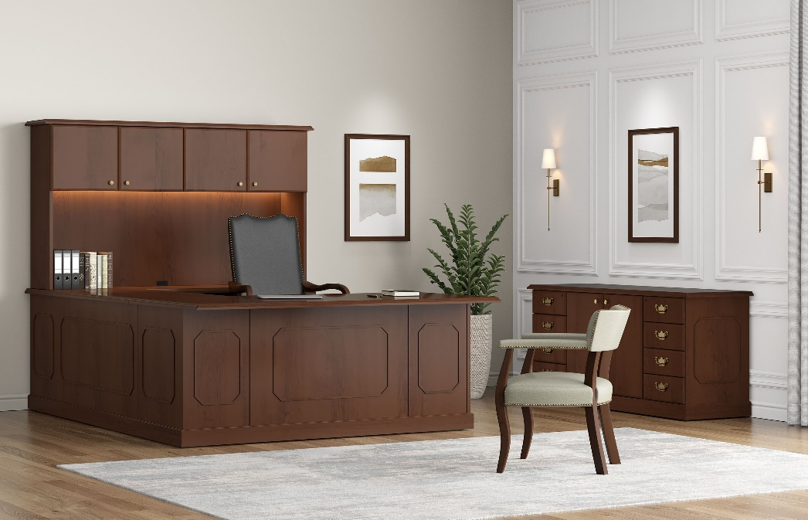

Model # | Qty | Description |  | Base List Price | Base Ext List Price | List Price as Shown | Total as Shown
29-3672LP | 1 | Single Ped Desk, Left, Wilmington Base & Molding |  | $3,812 | $3,812 | $3,812 | $3,812
29-2448UF | 1 | Bridge with Full Modesty, Wilmington Base & Molding |  | $1,478 | $1,478 | $1,478 | $1,478
29-2072RC | 1 | Credenza with Box/Box/File, Right, Wilmington Base & Molding |  | $3,296 | $3,296 | $3,296 | $3,296
29-2066SC | 1 | Storage Credenza, Wilmington Base & Molding |  | $3,562 | $3,562 | $3,562 | $3,562
29-1572HU | 1 | Surface Mount Hutch |  | $2,505 | $2,505 | $2,505 | $2,505
TL-0848 | 1 | Task Light |  | $430 | $430 | $430 | $430
154 | 1 | Amery High Back Swivel, Gr L1 |  | $2,841 | $2,841 | $3,639 | $3,639
226 | 1 | Cirka Half Back Guest, Gr L1 |  | $1,364 | $1,364 | $2,002 | $2,002
 |  |  | TOTAL HPL LIST |  | $19,288 |  | $20,724

29-3672LP | 1 | Single Ped Desk, Left, Wilmington Base & Molding |  | $4,202 | $4,202 | $4,202 | $4,202
29-2448UF | 1 | Bridge with Full Modesty, Wilmington Base & Molding |  | $1,736 | $1,736 | $1,736 | $1,736
29-2072RC | 1 | Credenza with Box/Box/File, Right, Wilmington Base & Molding |  | $3,646 | $3,646 | $3,646 | $3,646
29-2066SC | 1 | Storage Credenza, Wilmington Base & Molding |  | $3,896 | $3,896 | $3,896 | $3,896
29-1572HU | 1 | Surface Mount Hutch |  | $2,505 | $2,505 | $2,505 | $2,505
TL-0848 | 1 | Task Light |  | $430 | $430 | $430 | $430
154 | 1 | Amery High Back Swivel, Gr L1 |  | $2,841 | $2,841 | $3,639 | $3,639
226 | 1 | Cirka Half Back Guest, Gr L1 |  | $1,364 | $1,364 | $2,002 | $2,002
 |  |  | TOTAL VENEER LIST |  | $20,620 |  | $22,056

