88-3S
Strut
Typical 88-3S
Prices based on June 12, 2023 Price List. Finishes Shown: Weathered Ash with Black Strut Legs. Clutch seating in Cortina Leather Caprone Gunmetal. |  |  | 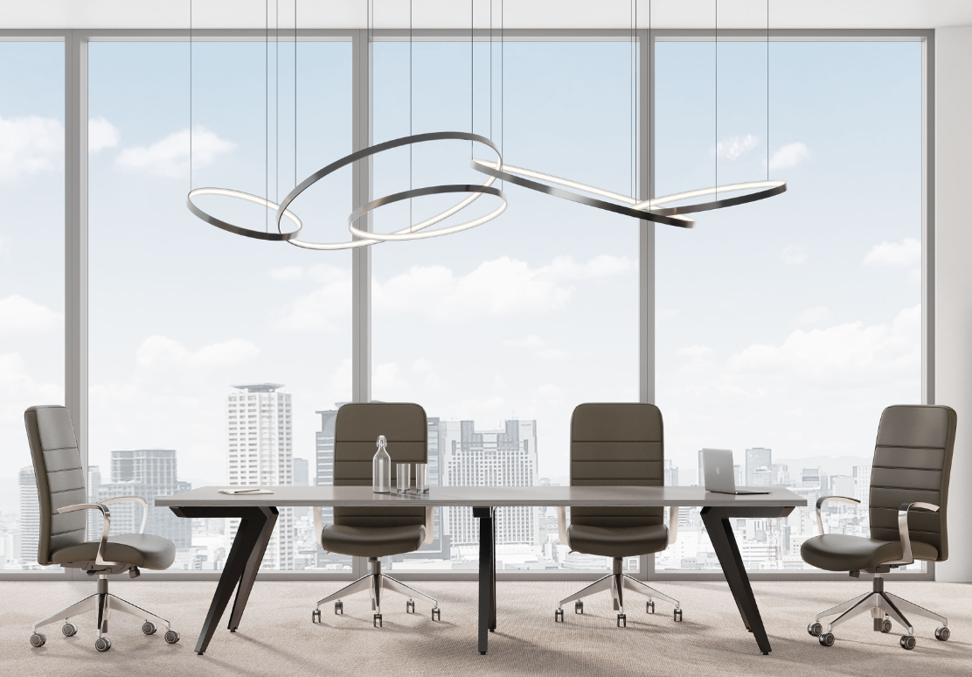

Model # | Qty | Description |  | Base List Price | Base Ext List Price | List Price as Shown | Total as Shown

88-48120RT | 1 | Rectangle shaped top, 48x120, HPL top, Square (Y) edge |  | $2,109 | $2,109 | $2,109 | $2,109

01-2228STR4 | 1 | Strut Table Legs, 2 pair (4 legs), Black finish. |  | $2,470 | $2,470 | $2,470 | $2,470

01-2228STR2 | 1 | Strut Table Legs, 1 pair (2 legs), Black finish. |  | $1,235 | $1,235 | $1,235 | $1,235

584 | 8 | Clutch High Back, FAL1 arms, ALM base, CHRC casters, Grade L1 |  | $1,858 | $14,864 | $3,292 | $26,336

 |  |  | TOTAL LIST |  | $20,678 |  | $32,150

