50-3
Iconic
Typical 50-3
 |  |  | 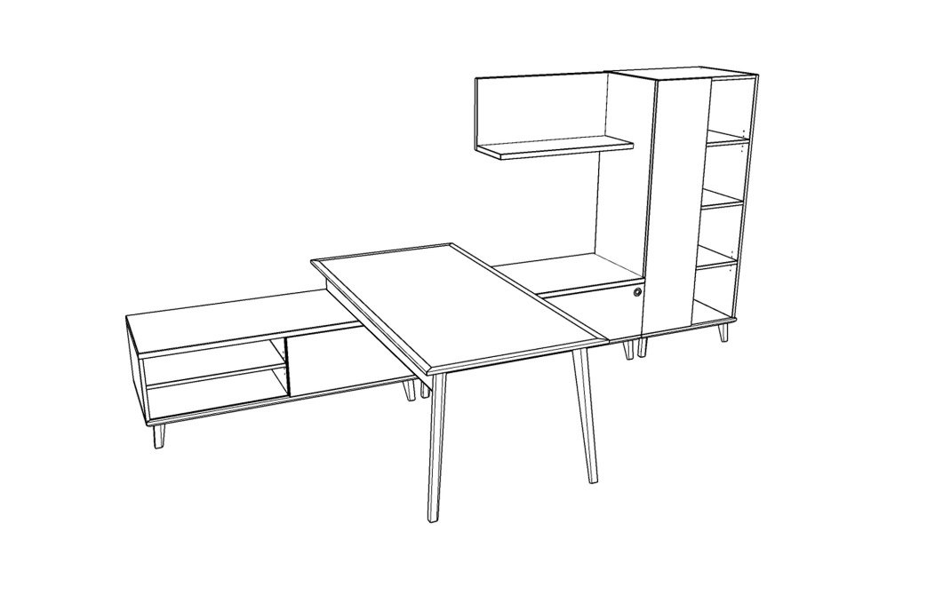

Model # | Qty | Description |  | Base List Price | Base Ext List Price | List Price as Shown | Total as Shown
50-3672ROTD | 1 | Run Off Table Desk with (50-HMD) Vener Modesty |  | $1,418 | $1,418 | $1,633 | $1,633
50-2472SDB | 2 | Low Credenza with Open Bookcase and Sliding Door |  | $4,364 | $8,728 | $4,364 | $8,728
50-1807US | 1 | Layer Support For Low Storage |  | $542 | $542 | $542 | $542
50-2436OBD72L | 1 | Wardrobe with Open Bookcase, Left |  | $5,520 | $5,520 | $5,520 | $5,520
50-1542LS | 1 | Open Wall Mount L-Shelf |  | $926 | $926 | $926 | $926

